E01_LUC
Experiment E01: Lucene
Measured result: 26/26 cases succeeded. Engine=LUCENE; retrieval=WHOLE_DESCRIPTION; search mode=STANDARD; reranker=False.
Source boundary: C:\edocument.repo\benchmark-rag\retrieval-benchmarl-results\23-07-2026\Lucene-working\20260723-135511-9cd3de68. Authored, packaged, input, and resolved hashes all match.

Observed macro metrics by cutoff
Metric | Observed value
P@10 | 0.52307692308
R@10 | 0.40685862833
nDCG@10 | 0.61863314669
MRR | 0.83705128205
Mean latency ms | 197.30769231
Median latency ms | 156
p95 latency ms | 386
Relevant in final lists | 467
Judgment coverage | 1

k | Precision | Recall | nDCG | Relevant found
1 | 0.76923076923 | 0.076762301464 | 0.73568076885 | 20
3 | 0.65384615385 | 0.17225347639 | 0.65164028544 | 51
5 | 0.63076923077 | 0.2658359533 | 0.64293543986 | 82
10 | 0.52307692308 | 0.40685862833 | 0.61863314669 | 136
20 | 0.40576923077 | 0.56591306298 | 0.6329745214 | 211

Group | Cases | P@10 | R@10 | nDCG@10 | MRR | Mean ms
LONG | 13 | 0.47692307692 | 0.38312865462 | 0.52259395308 | 0.72538461462 | 178.61538462
LONG_ALL_CVS | 1 | 0.5 | 0.38461538 | 0.53297088 | 1 | 794
LONG_MANY_RELEVANT | 3 | 0.9 | 0.15852130333 | 0.86456199 | 1 | 240
SHORT | 9 | 0.46666666667 | 0.52638583667 | 0.68489817556 | 0.92592592556 | 143.77777778

Case | Group | P@10 | R@10 | nDCG@10 | MRR | ms | Status | Error
advocate_child_healthcare_fund_raiser | SHORT | 0.6 | 0.85714286 | 0.83489724 | 1 | 128 | SUCCEEDED
advocate_famobra_business_development_customer_experience | LONG | 0.7 | 0.58333333 | 0.69911179 | 1 | 72 | SUCCEEDED
agriculture_foss_head_of_business_development | LONG | 0.3 | 0.42857143 | 0.35819288 | 0.33333333 | 386 | SUCCEEDED
aviation_totalenergies_aviation_lead | LONG | 0.4 | 0.5 | 0.54104369 | 1 | 81 | SUCCEEDED
banking_fbc_financial_controller | LONG | 0.3 | 0.33333333 | 0.34447902 | 0.5 | 382 | SUCCEEDED
banking_senior_head_of_credit_evaluation | SHORT | 0.5 | 0.38461538 | 0.54423458 | 1 | 208 | SUCCEEDED
business_development_hilti_strategic_business_developer | LONG_MANY_RELEVANT | 0.9 | 0.11842105 | 0.80930507 | 1 | 304 | SUCCEEDED
chef_chinese_kitchen_chef | LONG | 0 | 0 | 0 | 0.01333333 | 156 | SUCCEEDED
chef_orphanage_vegetarian | SHORT | 0.6 | 0.28571429 | 0.69375505 | 1 | 158 | SUCCEEDED
construction_technica_construction_manager | LONG_MANY_RELEVANT | 1 | 0.16666667 | 0.95623824 | 1 | 295 | SUCCEEDED
designer_furniture_designer | SHORT | 0.6 | 0.75 | 0.82724141 | 1 | 117 | SUCCEEDED
designer_grundfos_technical_drawing_designer | LONG | 0.5 | 0.5 | 0.4455597 | 0.33333333 | 191 | SUCCEEDED
digital_media_tasklet_digital_marketing_coordinator | LONG | 0.9 | 0.32142857 | 0.89806129 | 1 | 96 | SUCCEEDED
engineering_agramkow_hardware_electronics_test_engineer | LONG | 0.4 | 0.26666667 | 0.45059249 | 1 | 125 | SUCCEEDED
finance_grundfos_senior_finance_director | LONG | 0.6 | 0.15789474 | 0.67635693 | 1 | 267 | SUCCEEDED
fitness_nutrition_instructor | SHORT | 0.4 | 0.16 | 0.36038646 | 0.33333333 | 197 | SUCCEEDED
healthcare_insurance_adjuster | SHORT | 0.6 | 0.33333333 | 0.69711511 | 1 | 66 | SUCCEEDED
healthcare_red_cross_malawi_programme_manager | LONG | 0.3 | 0.75 | 0.46399414 | 0.25 | 253 | SUCCEEDED
hr_nordic_rcc_hr_manager | LONG_MANY_RELEVANT | 0.8 | 0.19047619 | 0.82814266 | 1 | 121 | SUCCEEDED
hr_recruiter_biotek | SHORT | 0.4 | 0.66666667 | 0.70737917 | 1 | 141 | SUCCEEDED
it_java_developer_gt70_k10 | SHORT | 0.4 | 0.8 | 0.84966813 | 1 | 156 | SUCCEEDED
java-gas-trading-src-all-cvs-k10 | LONG_ALL_CVS | 0.5 | 0.38461538 | 0.53297088 | 1 | 794 | SUCCEEDED
public_relations_weibel_manager | LONG | 0.4 | 0.44444444 | 0.61651023 | 1 | 90 | SUCCEEDED
sales_head_of_car_sales | SHORT | 0.1 | 0.5 | 0.64940643 | 1 | 123 | SUCCEEDED
sales_national-sales-lead | LONG | 0.6 | 0.375 | 0.58174432 | 1 | 55 | SUCCEEDED
teacher_sonderborg_middle_school_english | LONG | 0.8 | 0.32 | 0.71807491 | 1 | 168 | SUCCEEDED

E02_STD-WHOLE-RR
Experiment E02: RAG Standard Whole + rerank
Measured result: 26/26 cases succeeded. Engine=VECTOR; retrieval=WHOLE_DESCRIPTION; search mode=STANDARD; reranker=True.
Source boundary: C:\edocument.repo\benchmark-rag\retrieval-benchmarl-results\20-07-2026\Standard-weights-whole-mode-rerank-standard-params\20260720-131949-08f0c1b7. Authored, packaged, input, and resolved hashes all match.

Observed macro metrics by cutoff
Metric | Observed value
P@10 | 0.55
R@10 | 0.40934051722
nDCG@10 | 0.66553894578
MRR | 0.94230769231
Mean latency ms | 14290.538462
Median latency ms | 14031
p95 latency ms | 17576
Relevant in final lists | 256
Judgment coverage | 1

k | Precision | Recall | nDCG | Relevant found
1 | 0.92307692308 | 0.096722618924 | 0.85499576925 | 24
3 | 0.73076923077 | 0.20344706688 | 0.73926454664 | 57
5 | 0.66153846154 | 0.2701348848 | 0.69693193697 | 86
10 | 0.55 | 0.40934051722 | 0.66553894578 | 143
20 | 0.43653846154 | 0.57773110661 | 0.68299327915 | 227

Group | Cases | P@10 | R@10 | nDCG@10 | MRR | Mean ms
LONG | 13 | 0.49230769231 | 0.37807258538 | 0.58358362385 | 0.88461538462 | 14562.307692
LONG_ALL_CVS | 1 | 0.5 | 0.38461538 | 0.62835858 | 1 | 23473
LONG_MANY_RELEVANT | 3 | 1 | 0.17878028667 | 0.93034975 | 1 | 15911.333333
SHORT | 9 | 0.48888888889 | 0.53410595556 | 0.69977974 | 1 | 12337.444444

Case | Group | P@10 | R@10 | nDCG@10 | MRR | ms | Status | Error
advocate_child_healthcare_fund_raiser | SHORT | 0.4 | 0.57142857 | 0.71428016 | 1 | 12803 | SUCCEEDED
advocate_famobra_business_development_customer_experience | LONG | 0.2 | 0.16666667 | 0.33251434 | 1 | 15644 | SUCCEEDED
agriculture_foss_head_of_business_development | LONG | 0.3 | 0.42857143 | 0.48432688 | 1 | 15612 | SUCCEEDED
aviation_totalenergies_aviation_lead | LONG | 0.4 | 0.5 | 0.48954493 | 0.5 | 15531 | SUCCEEDED
banking_fbc_financial_controller | LONG | 0.5 | 0.55555556 | 0.68719243 | 1 | 13444 | SUCCEEDED
banking_senior_head_of_credit_evaluation | SHORT | 0.7 | 0.53846154 | 0.68915987 | 1 | 11974 | SUCCEEDED
business_development_hilti_strategic_business_developer | LONG_MANY_RELEVANT | 1 | 0.13157895 | 0.94929264 | 1 | 14714 | SUCCEEDED
chef_chinese_kitchen_chef | LONG | 0 | 0 | 0 | 0 | 12533 | SUCCEEDED
chef_orphanage_vegetarian | SHORT | 0.8 | 0.38095238 | 0.79936349 | 1 | 12168 | SUCCEEDED
construction_technica_construction_manager | LONG_MANY_RELEVANT | 1 | 0.16666667 | 0.931604 | 1 | 15781 | SUCCEEDED
designer_furniture_designer | SHORT | 0.5 | 0.625 | 0.65252151 | 1 | 10227 | SUCCEEDED
designer_grundfos_technical_drawing_designer | LONG | 0.6 | 0.6 | 0.61195445 | 1 | 13330 | SUCCEEDED
digital_media_tasklet_digital_marketing_coordinator | LONG | 0.8 | 0.28571429 | 0.75465986 | 1 | 15173 | SUCCEEDED
engineering_agramkow_hardware_electronics_test_engineer | LONG | 0.8 | 0.53333333 | 0.84982523 | 1 | 15691 | SUCCEEDED
finance_grundfos_senior_finance_director | LONG | 1 | 0.26315789 | 0.96736111 | 1 | 14389 | SUCCEEDED
fitness_nutrition_instructor | SHORT | 0.7 | 0.28 | 0.71563455 | 1 | 12041 | SUCCEEDED
healthcare_insurance_adjuster | SHORT | 0.5 | 0.27777778 | 0.52821313 | 1 | 13924 | SUCCEEDED
healthcare_red_cross_malawi_programme_manager | LONG | 0.2 | 0.5 | 0.60244647 | 1 | 17576 | SUCCEEDED
hr_nordic_rcc_hr_manager | LONG_MANY_RELEVANT | 1 | 0.23809524 | 0.91015261 | 1 | 17239 | SUCCEEDED
hr_recruiter_biotek | SHORT | 0.2 | 0.33333333 | 0.51597343 | 1 | 13344 | SUCCEEDED
it_java_developer_gt70_k10 | SHORT | 0.4 | 0.8 | 0.8482392 | 1 | 14138 | SUCCEEDED
java-gas-trading-src-all-cvs-k10 | LONG_ALL_CVS | 0.5 | 0.38461538 | 0.62835858 | 1 | 23473 | SUCCEEDED
public_relations_weibel_manager | LONG | 0.4 | 0.44444444 | 0.59845985 | 1 | 15883 | SUCCEEDED
sales_head_of_car_sales | SHORT | 0.2 | 1 | 0.83463232 | 1 | 10418 | SUCCEEDED
sales_national-sales-lead | LONG | 0.7 | 0.4375 | 0.66334459 | 1 | 12014 | SUCCEEDED
teacher_sonderborg_middle_school_english | LONG | 0.5 | 0.2 | 0.54495697 | 1 | 12490 | SUCCEEDED

E03_STD-CRIT-NO-RR
Experiment E03: RAG Standard Criteria no rerank
Measured result: 26/26 cases succeeded. Engine=VECTOR; retrieval=CRITERIA; search mode=STANDARD; reranker=False.
Source boundary: C:\edocument.repo\benchmark-rag\retrieval-benchmarl-results\22-07-2026\Standard-weights-criteria-no-rerank-standard-params\20260722-095549-eb23b551. Authored, packaged, input, and resolved hashes all match.

Observed macro metrics by cutoff
Metric | Observed value
P@10 | 0.45384615385
R@10 | 0.36335677705
nDCG@10 | 0.54763280896
MRR | 0.79935897436
Mean latency ms | 1931.5384615
Median latency ms | 1753
p95 latency ms | 2141
Relevant in final lists | 382
Judgment coverage | 1

k | Precision | Recall | nDCG | Relevant found
1 | 0.69230769231 | 0.073235956014 | 0.6326518671 | 18
3 | 0.65384615385 | 0.18044345949 | 0.62133736634 | 51
5 | 0.59230769231 | 0.24943368653 | 0.58673012468 | 77
10 | 0.45384615385 | 0.36335677705 | 0.54763280896 | 118
20 | 0.39615384615 | 0.53888799909 | 0.59722508135 | 206

Group | Cases | P@10 | R@10 | nDCG@10 | MRR | Mean ms
LONG | 13 | 0.46153846154 | 0.34330409385 | 0.51373011462 | 0.70769230769 | 1850.3846154
LONG_ALL_CVS | 1 | 0.5 | 0.38461538 | 0.53239424 | 1 | 7693
LONG_MANY_RELEVANT | 3 | 0.73333333333 | 0.12715121 | 0.72684099333 | 1 | 1827.3333333
SHORT | 9 | 0.34444444444 | 0.46869488667 | 0.53856047889 | 0.84259259222 | 1443.3333333

Case | Group | P@10 | R@10 | nDCG@10 | MRR | ms | Status | Error
advocate_child_healthcare_fund_raiser | SHORT | 0.3 | 0.42857143 | 0.53203227 | 1 | 1390 | SUCCEEDED
advocate_famobra_business_development_customer_experience | LONG | 0.1 | 0.08333333 | 0.08588981 | 0.2 | 1995 | SUCCEEDED
agriculture_foss_head_of_business_development | LONG | 0.5 | 0.71428571 | 0.78496539 | 1 | 1694 | SUCCEEDED
aviation_totalenergies_aviation_lead | LONG | 0.3 | 0.375 | 0.47267501 | 1 | 1992 | SUCCEEDED
banking_fbc_financial_controller | LONG | 0.2 | 0.22222222 | 0.19625539 | 0.5 | 1850 | SUCCEEDED
banking_senior_head_of_credit_evaluation | SHORT | 0 | 0 | 0 | 0.08333333 | 1388 | SUCCEEDED
business_development_hilti_strategic_business_developer | LONG_MANY_RELEVANT | 0.8 | 0.10526316 | 0.70299702 | 1 | 1786 | SUCCEEDED
chef_chinese_kitchen_chef | LONG | 0 | 0 | 0 | 0 | 1667 | SUCCEEDED
chef_orphanage_vegetarian | SHORT | 0.2 | 0.0952381 | 0.19247271 | 0.5 | 1434 | SUCCEEDED
construction_technica_construction_manager | LONG_MANY_RELEVANT | 0.8 | 0.13333333 | 0.7896832 | 1 | 1947 | SUCCEEDED
designer_furniture_designer | SHORT | 0.6 | 0.75 | 0.71928126 | 1 | 1403 | SUCCEEDED
designer_grundfos_technical_drawing_designer | LONG | 0.6 | 0.6 | 0.55280776 | 0.5 | 1755 | SUCCEEDED
digital_media_tasklet_digital_marketing_coordinator | LONG | 0.8 | 0.28571429 | 0.79472598 | 1 | 1751 | SUCCEEDED
engineering_agramkow_hardware_electronics_test_engineer | LONG | 0.6 | 0.4 | 0.53321518 | 0.5 | 1929 | SUCCEEDED
finance_grundfos_senior_finance_director | LONG | 0.9 | 0.23684211 | 0.90478412 | 1 | 1948 | SUCCEEDED
fitness_nutrition_instructor | SHORT | 0.5 | 0.2 | 0.48442198 | 1 | 1454 | SUCCEEDED
healthcare_insurance_adjuster | SHORT | 0.5 | 0.27777778 | 0.60991064 | 1 | 1475 | SUCCEEDED
healthcare_red_cross_malawi_programme_manager | LONG | 0.1 | 0.25 | 0.24155316 | 0.5 | 2141 | SUCCEEDED
hr_nordic_rcc_hr_manager | LONG_MANY_RELEVANT | 0.6 | 0.14285714 | 0.68784276 | 1 | 1749 | SUCCEEDED
hr_recruiter_biotek | SHORT | 0.4 | 0.66666667 | 0.69349319 | 1 | 1441 | SUCCEEDED
it_java_developer_gt70_k10 | SHORT | 0.4 | 0.8 | 0.84328579 | 1 | 1515 | SUCCEEDED
java-gas-trading-src-all-cvs-k10 | LONG_ALL_CVS | 0.5 | 0.38461538 | 0.53239424 | 1 | 7693 | SUCCEEDED
public_relations_weibel_manager | LONG | 0.5 | 0.55555556 | 0.68609064 | 1 | 1792 | SUCCEEDED
sales_head_of_car_sales | SHORT | 0.2 | 1 | 0.77214647 | 1 | 1490 | SUCCEEDED
sales_national-sales-lead | LONG | 0.8 | 0.5 | 0.82548807 | 1 | 1760 | SUCCEEDED
teacher_sonderborg_middle_school_english | LONG | 0.6 | 0.24 | 0.60004098 | 1 | 1781 | SUCCEEDED

E04_STD-CRIT-RR
Experiment E04: RAG Standard Criteria + rerank
Measured result: 26/26 cases succeeded. Engine=VECTOR; retrieval=CRITERIA; search mode=STANDARD; reranker=True.
Source boundary: C:\edocument.repo\benchmark-rag\retrieval-benchmarl-results\20-07-2026\Standard-weights-criteria-rerank-standard-params\20260720-170236-8d7baeed. Authored, packaged, input, and resolved hashes all match.

Observed macro metrics by cutoff
Metric | Observed value
P@10 | 0.57692307692
R@10 | 0.44554613852
nDCG@10 | 0.69679841854
MRR | 0.94230769231
Mean latency ms | 14469.115385
Median latency ms | 14196
p95 latency ms | 19823
Relevant in final lists | 269
Judgment coverage | 1

k | Precision | Recall | nDCG | Relevant found
1 | 0.92307692308 | 0.09857173135 | 0.8756541696 | 24
3 | 0.76923076923 | 0.21776330619 | 0.76461258389 | 60
5 | 0.68461538462 | 0.29765625232 | 0.71813335503 | 89
10 | 0.57692307692 | 0.44554613852 | 0.69679841854 | 150
20 | 0.46153846154 | 0.62474223033 | 0.72001199977 | 240

Group | Cases | P@10 | R@10 | nDCG@10 | MRR | Mean ms
LONG | 13 | 0.51538461538 | 0.42155549077 | 0.6269907 | 0.92307692308 | 14904.923077
LONG_ALL_CVS | 1 | 0.6 | 0.46153846 | 0.5282077 | 0.5 | 23926
LONG_MANY_RELEVANT | 3 | 1 | 0.17878028667 | 0.91721938 | 1 | 16357.666667
SHORT | 9 | 0.52222222222 | 0.56734432222 | 0.74289043778 | 1 | 12159.333333

Case | Group | P@10 | R@10 | nDCG@10 | MRR | ms | Status | Error
advocate_child_healthcare_fund_raiser | SHORT | 0.4 | 0.57142857 | 0.71428016 | 1 | 11952 | SUCCEEDED
advocate_famobra_business_development_customer_experience | LONG | 0.2 | 0.16666667 | 0.33251434 | 1 | 16035 | SUCCEEDED
agriculture_foss_head_of_business_development | LONG | 0.3 | 0.42857143 | 0.48069866 | 1 | 16114 | SUCCEEDED
aviation_totalenergies_aviation_lead | LONG | 0.5 | 0.625 | 0.66929733 | 1 | 15168 | SUCCEEDED
banking_fbc_financial_controller | LONG | 0.4 | 0.44444444 | 0.61680589 | 1 | 13826 | SUCCEEDED
banking_senior_head_of_credit_evaluation | SHORT | 0.8 | 0.61538462 | 0.82879038 | 1 | 13063 | SUCCEEDED
business_development_hilti_strategic_business_developer | LONG_MANY_RELEVANT | 1 | 0.13157895 | 0.92545334 | 1 | 14699 | SUCCEEDED
chef_chinese_kitchen_chef | LONG | 0 | 0 | 0 | 0 | 11874 | SUCCEEDED
chef_orphanage_vegetarian | SHORT | 0.8 | 0.38095238 | 0.8205895 | 1 | 11772 | SUCCEEDED
construction_technica_construction_manager | LONG_MANY_RELEVANT | 1 | 0.16666667 | 0.91594283 | 1 | 16470 | SUCCEEDED
designer_furniture_designer | SHORT | 0.5 | 0.625 | 0.66061052 | 1 | 10540 | SUCCEEDED
designer_grundfos_technical_drawing_designer | LONG | 0.7 | 0.7 | 0.74171956 | 1 | 13821 | SUCCEEDED
digital_media_tasklet_digital_marketing_coordinator | LONG | 0.8 | 0.28571429 | 0.76189321 | 1 | 15651 | SUCCEEDED
engineering_agramkow_hardware_electronics_test_engineer | LONG | 0.8 | 0.53333333 | 0.84625252 | 1 | 14827 | SUCCEEDED
finance_grundfos_senior_finance_director | LONG | 1 | 0.26315789 | 0.96492258 | 1 | 15712 | SUCCEEDED
fitness_nutrition_instructor | SHORT | 0.7 | 0.28 | 0.71154712 | 1 | 10812 | SUCCEEDED
healthcare_insurance_adjuster | SHORT | 0.6 | 0.33333333 | 0.62234715 | 1 | 13338 | SUCCEEDED
healthcare_red_cross_malawi_programme_manager | LONG | 0.4 | 1 | 0.92909611 | 1 | 19823 | SUCCEEDED
hr_nordic_rcc_hr_manager | LONG_MANY_RELEVANT | 1 | 0.23809524 | 0.91026197 | 1 | 17904 | SUCCEEDED
hr_recruiter_biotek | SHORT | 0.3 | 0.5 | 0.649931 | 1 | 13390 | SUCCEEDED
it_java_developer_gt70_k10 | SHORT | 0.4 | 0.8 | 0.84328579 | 1 | 14566 | SUCCEEDED
java-gas-trading-src-all-cvs-k10 | LONG_ALL_CVS | 0.6 | 0.46153846 | 0.5282077 | 0.5 | 23926 | SUCCEEDED
public_relations_weibel_manager | LONG | 0.3 | 0.33333333 | 0.51546171 | 1 | 15179 | SUCCEEDED
sales_head_of_car_sales | SHORT | 0.2 | 1 | 0.83463232 | 1 | 10001 | SUCCEEDED
sales_national-sales-lead | LONG | 0.8 | 0.5 | 0.78517426 | 1 | 11986 | SUCCEEDED
teacher_sonderborg_middle_school_english | LONG | 0.5 | 0.2 | 0.50704293 | 1 | 13748 | SUCCEEDED

E05_SEL-WHOLE-NO-RR
Experiment E05: RAG Selective Whole no rerank
Measured result: 26/26 cases succeeded. Engine=VECTOR; retrieval=WHOLE_DESCRIPTION; search mode=SELECTIVE_WEIGHTED; reranker=False.
Source boundary: C:\edocument.repo\benchmark-rag\retrieval-benchmarl-results\22-07-2026\Selective-weights-whole-description-no-rerank-standard-params\20260722-145931-aca849af. Authored, packaged, input, and resolved hashes all match.

Observed macro metrics by cutoff
Metric | Observed value
P@10 | 0.49615384615
R@10 | 0.38095516775
nDCG@10 | 0.56797274058
MRR | 0.78754578755
Mean latency ms | 1667
Median latency ms | 1392
p95 latency ms | 1824
Relevant in final lists | 389
Judgment coverage | 1

k | Precision | Recall | nDCG | Relevant found
1 | 0.69230769231 | 0.07335876056 | 0.64775008771 | 18
3 | 0.57692307692 | 0.15746650897 | 0.57141444688 | 45
5 | 0.53076923077 | 0.2199243177 | 0.54584478315 | 69
10 | 0.49615384615 | 0.38095516775 | 0.56797274058 | 129
20 | 0.39423076923 | 0.53956170629 | 0.59419067856 | 205

Group | Cases | P@10 | R@10 | nDCG@10 | MRR | Mean ms
LONG | 13 | 0.47692307692 | 0.35276733462 | 0.52625612692 | 0.76098901077 | 1399
LONG_ALL_CVS | 1 | 0.5 | 0.38461538 | 0.58749401 | 1 | 7747
LONG_MANY_RELEVANT | 3 | 0.83333333333 | 0.14619883333 | 0.77959754 | 1 | 1424
SHORT | 9 | 0.41111111111 | 0.49951634778 | 0.55551944 | 0.73148148111 | 1459.5555556

Case | Group | P@10 | R@10 | nDCG@10 | MRR | ms | Status | Error
advocate_child_healthcare_fund_raiser | SHORT | 0.2 | 0.28571429 | 0.2318296 | 0.5 | 1371 | SUCCEEDED
advocate_famobra_business_development_customer_experience | LONG | 0.2 | 0.16666667 | 0.17228471 | 0.25 | 1363 | SUCCEEDED
agriculture_foss_head_of_business_development | LONG | 0.4 | 0.57142857 | 0.63789028 | 1 | 1480 | SUCCEEDED
aviation_totalenergies_aviation_lead | LONG | 0.4 | 0.5 | 0.59294356 | 1 | 1411 | SUCCEEDED
banking_fbc_financial_controller | LONG | 0.5 | 0.55555556 | 0.68420329 | 1 | 1481 | SUCCEEDED
banking_senior_head_of_credit_evaluation | SHORT | 0.5 | 0.38461538 | 0.55652826 | 1 | 1572 | SUCCEEDED
business_development_hilti_strategic_business_developer | LONG_MANY_RELEVANT | 0.8 | 0.10526316 | 0.76326748 | 1 | 1411 | SUCCEEDED
chef_chinese_kitchen_chef | LONG | 0 | 0 | 0 | 0 | 1317 | SUCCEEDED
chef_orphanage_vegetarian | SHORT | 0.5 | 0.23809524 | 0.50184983 | 1 | 1314 | SUCCEEDED
construction_technica_construction_manager | LONG_MANY_RELEVANT | 1 | 0.16666667 | 0.94960531 | 1 | 1440 | SUCCEEDED
designer_furniture_designer | SHORT | 0.5 | 0.625 | 0.56629076 | 0.5 | 1336 | SUCCEEDED
designer_grundfos_technical_drawing_designer | LONG | 0.4 | 0.4 | 0.49399348 | 1 | 1627 | SUCCEEDED
digital_media_tasklet_digital_marketing_coordinator | LONG | 0.7 | 0.25 | 0.59959475 | 0.5 | 1395 | SUCCEEDED
engineering_agramkow_hardware_electronics_test_engineer | LONG | 0.8 | 0.53333333 | 0.83751465 | 1 | 1376 | SUCCEEDED
finance_grundfos_senior_finance_director | LONG | 1 | 0.26315789 | 0.96025173 | 1 | 1389 | SUCCEEDED
fitness_nutrition_instructor | SHORT | 0.6 | 0.24 | 0.487132 | 0.33333333 | 1667 | SUCCEEDED
healthcare_insurance_adjuster | SHORT | 0.4 | 0.22222222 | 0.29733427 | 0.25 | 1824 | SUCCEEDED
healthcare_red_cross_malawi_programme_manager | LONG | 0.1 | 0.25 | 0.12761757 | 0.14285714 | 1357 | SUCCEEDED
hr_nordic_rcc_hr_manager | LONG_MANY_RELEVANT | 0.7 | 0.16666667 | 0.62591983 | 1 | 1421 | SUCCEEDED
hr_recruiter_biotek | SHORT | 0.3 | 0.5 | 0.54634805 | 1 | 1431 | SUCCEEDED
it_java_developer_gt70_k10 | SHORT | 0.5 | 1 | 0.98765898 | 1 | 1306 | SUCCEEDED
java-gas-trading-src-all-cvs-k10 | LONG_ALL_CVS | 0.5 | 0.38461538 | 0.58749401 | 1 | 7747 | SUCCEEDED
public_relations_weibel_manager | LONG | 0.3 | 0.33333333 | 0.41447467 | 1 | 1332 | SUCCEEDED
sales_head_of_car_sales | SHORT | 0.2 | 1 | 0.82470321 | 1 | 1315 | SUCCEEDED
sales_national-sales-lead | LONG | 0.9 | 0.5625 | 0.83843623 | 1 | 1359 | SUCCEEDED
teacher_sonderborg_middle_school_english | LONG | 0.5 | 0.2 | 0.48212473 | 1 | 1300 | SUCCEEDED

E06_SEL-WHOLE-RR
Experiment E06: RAG Selective Whole + rerank
Measured result: 26/26 cases succeeded. Engine=VECTOR; retrieval=WHOLE_DESCRIPTION; search mode=SELECTIVE_WEIGHTED; reranker=True.
Source boundary: C:\edocument.repo\benchmark-rag\retrieval-benchmarl-results\21-07-2026\Selective-weights-whole-description-rerank-standard-params\20260722-080546-3e6f67df. Authored, packaged, input, and resolved hashes all match.

Observed macro metrics by cutoff
Metric | Observed value
P@10 | 0.56538461538
R@10 | 0.4286734279
nDCG@10 | 0.68096533253
MRR | 0.96153846154
Mean latency ms | 14092.5
Median latency ms | 13447
p95 latency ms | 18719
Relevant in final lists | 266
Judgment coverage | 1

k | Precision | Recall | nDCG | Relevant found
1 | 0.96153846154 | 0.10153031123 | 0.88725209388 | 25
3 | 0.73076923077 | 0.19895988739 | 0.74346712549 | 57
5 | 0.68461538462 | 0.28719602878 | 0.71350809786 | 89
10 | 0.56538461538 | 0.4286734279 | 0.68096533253 | 147
20 | 0.45192307692 | 0.60061888573 | 0.7023843232 | 235

Group | Cases | P@10 | R@10 | nDCG@10 | MRR | Mean ms
LONG | 13 | 0.5 | 0.38448284154 | 0.59611205385 | 0.92307692308 | 14467.153846
LONG_ALL_CVS | 1 | 0.7 | 0.53846154 | 0.74323995 | 1 | 24381
LONG_MANY_RELEVANT | 3 | 0.96666666667 | 0.17084377667 | 0.89509955667 | 1 | 15678.333333
SHORT | 9 | 0.51111111111 | 0.56624881333 | 0.72523370333 | 1 | 11879.555556

Case | Group | P@10 | R@10 | nDCG@10 | MRR | ms | Status | Error
advocate_child_healthcare_fund_raiser | SHORT | 0.4 | 0.57142857 | 0.71428016 | 1 | 12393 | SUCCEEDED
advocate_famobra_business_development_customer_experience | LONG | 0.3 | 0.25 | 0.4288007 | 1 | 15447 | SUCCEEDED
agriculture_foss_head_of_business_development | LONG | 0.3 | 0.42857143 | 0.48881813 | 1 | 14774 | SUCCEEDED
aviation_totalenergies_aviation_lead | LONG | 0.4 | 0.5 | 0.58911104 | 1 | 14866 | SUCCEEDED
banking_fbc_financial_controller | LONG | 0.5 | 0.55555556 | 0.68245734 | 1 | 12803 | SUCCEEDED
banking_senior_head_of_credit_evaluation | SHORT | 0.7 | 0.53846154 | 0.67777295 | 1 | 11711 | SUCCEEDED
business_development_hilti_strategic_business_developer | LONG_MANY_RELEVANT | 1 | 0.13157895 | 0.94175117 | 1 | 14114 | SUCCEEDED
chef_chinese_kitchen_chef | LONG | 0 | 0 | 0 | 0 | 12110 | SUCCEEDED
chef_orphanage_vegetarian | SHORT | 0.9 | 0.42857143 | 0.88595714 | 1 | 11795 | SUCCEEDED
construction_technica_construction_manager | LONG_MANY_RELEVANT | 1 | 0.16666667 | 0.89681962 | 1 | 15653 | SUCCEEDED
designer_furniture_designer | SHORT | 0.4 | 0.5 | 0.58825067 | 1 | 9760 | SUCCEEDED
designer_grundfos_technical_drawing_designer | LONG | 0.6 | 0.6 | 0.61195445 | 1 | 12888 | SUCCEEDED
digital_media_tasklet_digital_marketing_coordinator | LONG | 0.8 | 0.28571429 | 0.75465986 | 1 | 15259 | SUCCEEDED
engineering_agramkow_hardware_electronics_test_engineer | LONG | 0.8 | 0.53333333 | 0.84701005 | 1 | 16955 | SUCCEEDED
finance_grundfos_senior_finance_director | LONG | 1 | 0.26315789 | 0.96736111 | 1 | 14410 | SUCCEEDED
fitness_nutrition_instructor | SHORT | 0.7 | 0.28 | 0.71563455 | 1 | 11272 | SUCCEEDED
healthcare_insurance_adjuster | SHORT | 0.5 | 0.27777778 | 0.54533042 | 1 | 13284 | SUCCEEDED
healthcare_red_cross_malawi_programme_manager | LONG | 0.2 | 0.5 | 0.60244647 | 1 | 18719 | SUCCEEDED
hr_nordic_rcc_hr_manager | LONG_MANY_RELEVANT | 0.9 | 0.21428571 | 0.84672788 | 1 | 17268 | SUCCEEDED
hr_recruiter_biotek | SHORT | 0.3 | 0.5 | 0.6313582 | 1 | 13549 | SUCCEEDED
it_java_developer_gt70_k10 | SHORT | 0.5 | 1 | 0.93388692 | 1 | 13345 | SUCCEEDED
java-gas-trading-src-all-cvs-k10 | LONG_ALL_CVS | 0.7 | 0.53846154 | 0.74323995 | 1 | 24381 | SUCCEEDED
public_relations_weibel_manager | LONG | 0.4 | 0.44444444 | 0.59845985 | 1 | 15455 | SUCCEEDED
sales_head_of_car_sales | SHORT | 0.2 | 1 | 0.83463232 | 1 | 9807 | SUCCEEDED
sales_national-sales-lead | LONG | 0.7 | 0.4375 | 0.66334459 | 1 | 11559 | SUCCEEDED
teacher_sonderborg_middle_school_english | LONG | 0.5 | 0.2 | 0.51503311 | 1 | 12828 | SUCCEEDED

E07_SEL-CRIT-NO-RR
Experiment E07: RAG Selective Criteria no rerank
Measured result: 26/26 cases succeeded. Engine=VECTOR; retrieval=CRITERIA; search mode=SELECTIVE_WEIGHTED; reranker=False.
Source boundary: C:\edocument.repo\benchmark-rag\retrieval-benchmarl-results\22-07-2026\Selective-weights-criteria-no-rerank-standard-params\20260722-142120-947cf272. Authored, packaged, input, and resolved hashes all match.

Observed macro metrics by cutoff
Metric | Observed value
P@10 | 0.46538461538
R@10 | 0.35497584568
nDCG@10 | 0.52702763557
MRR | 0.77019230769
Mean latency ms | 1775.5769231
Median latency ms | 1627.5
p95 latency ms | 2162
Relevant in final lists | 381
Judgment coverage | 1

k | Precision | Recall | nDCG | Relevant found
1 | 0.69230769231 | 0.051990534769 | 0.64241259217 | 18
3 | 0.57692307692 | 0.13700868913 | 0.5626345705 | 45
5 | 0.5 | 0.18508703959 | 0.51224292697 | 65
10 | 0.46538461538 | 0.35497584568 | 0.52702763557 | 121
20 | 0.38846153846 | 0.51427261448 | 0.55761559839 | 202

Group | Cases | P@10 | R@10 | nDCG@10 | MRR | Mean ms
LONG | 13 | 0.49230769231 | 0.36690042308 | 0.53151356769 | 0.71474359 | 1722.0769231
LONG_ALL_CVS | 1 | 0.3 | 0.23076923 | 0.30404465 | 1 | 5822
LONG_MANY_RELEVANT | 3 | 0.86666666667 | 0.15296574667 | 0.78795382667 | 1 | 1705
SHORT | 9 | 0.31111111111 | 0.41888888889 | 0.45834844667 | 0.74814814889 | 1426.7777778

Case | Group | P@10 | R@10 | nDCG@10 | MRR | ms | Status | Error
advocate_child_healthcare_fund_raiser | SHORT | 0.4 | 0.57142857 | 0.64300331 | 1 | 1442 | SUCCEEDED
advocate_famobra_business_development_customer_experience | LONG | 0.1 | 0.08333333 | 0.08309016 | 0.16666667 | 1672 | SUCCEEDED
agriculture_foss_head_of_business_development | LONG | 0.5 | 0.71428571 | 0.72147519 | 1 | 1629 | SUCCEEDED
aviation_totalenergies_aviation_lead | LONG | 0.3 | 0.375 | 0.47267501 | 1 | 1847 | SUCCEEDED
banking_fbc_financial_controller | LONG | 0.3 | 0.33333333 | 0.28742775 | 0.5 | 1621 | SUCCEEDED
banking_senior_head_of_credit_evaluation | SHORT | 0 | 0 | 0 | 0.06666667 | 1431 | SUCCEEDED
business_development_hilti_strategic_business_developer | LONG_MANY_RELEVANT | 0.9 | 0.11842105 | 0.76103633 | 1 | 1715 | SUCCEEDED
chef_chinese_kitchen_chef | LONG | 0 | 0 | 0 | 0 | 1581 | SUCCEEDED
chef_orphanage_vegetarian | SHORT | 0.2 | 0.0952381 | 0.28344618 | 1 | 1494 | SUCCEEDED
construction_technica_construction_manager | LONG_MANY_RELEVANT | 0.9 | 0.15 | 0.8219119 | 1 | 1722 | SUCCEEDED
designer_furniture_designer | SHORT | 0.6 | 0.75 | 0.71928126 | 1 | 1350 | SUCCEEDED
designer_grundfos_technical_drawing_designer | LONG | 0.6 | 0.6 | 0.54174544 | 0.5 | 1626 | SUCCEEDED
digital_media_tasklet_digital_marketing_coordinator | LONG | 0.9 | 0.32142857 | 0.85354582 | 1 | 1550 | SUCCEEDED
engineering_agramkow_hardware_electronics_test_engineer | LONG | 0.6 | 0.4 | 0.64708046 | 1 | 1704 | SUCCEEDED
finance_grundfos_senior_finance_director | LONG | 1 | 0.26315789 | 0.96448508 | 1 | 1844 | SUCCEEDED
fitness_nutrition_instructor | SHORT | 0.3 | 0.12 | 0.36132496 | 1 | 1395 | SUCCEEDED
healthcare_insurance_adjuster | SHORT | 0.6 | 0.33333333 | 0.69400284 | 1 | 1378 | SUCCEEDED
healthcare_red_cross_malawi_programme_manager | LONG | 0.1 | 0.25 | 0.12077658 | 0.125 | 2162 | SUCCEEDED
hr_nordic_rcc_hr_manager | LONG_MANY_RELEVANT | 0.8 | 0.19047619 | 0.78091325 | 1 | 1678 | SUCCEEDED
hr_recruiter_biotek | SHORT | 0.3 | 0.5 | 0.45137169 | 0.5 | 1540 | SUCCEEDED
it_java_developer_gt70_k10 | SHORT | 0.2 | 0.4 | 0.58704885 | 1 | 1396 | SUCCEEDED
java-gas-trading-src-all-cvs-k10 | LONG_ALL_CVS | 0.3 | 0.23076923 | 0.30404465 | 1 | 5822 | SUCCEEDED
public_relations_weibel_manager | LONG | 0.6 | 0.66666667 | 0.74985564 | 1 | 1794 | SUCCEEDED
sales_head_of_car_sales | SHORT | 0.2 | 1 | 0.38565693 | 0.16666667 | 1415 | SUCCEEDED
sales_national-sales-lead | LONG | 0.9 | 0.5625 | 0.89603003 | 1 | 1717 | SUCCEEDED
teacher_sonderborg_middle_school_english | LONG | 0.5 | 0.2 | 0.57148922 | 1 | 1640 | SUCCEEDED

E08_SEL-CRIT-RR
Experiment E08: RAG Selective Criteria + rerank
Measured result: 26/26 cases succeeded. Engine=VECTOR; retrieval=CRITERIA; search mode=SELECTIVE_WEIGHTED; reranker=True.
Source boundary: C:\edocument.repo\benchmark-rag\retrieval-benchmarl-results\21-07-2026\Selective-weights-criteria-rerank-standard-params\20260722-074644-b85ccb96. Authored, packaged, input, and resolved hashes all match.

Observed macro metrics by cutoff
Metric | Observed value
P@10 | 0.57307692308
R@10 | 0.43695263801
nDCG@10 | 0.6891078751
MRR | 0.92307692308
Mean latency ms | 14288.923077
Median latency ms | 13906.5
p95 latency ms | 20243
Relevant in final lists | 263
Judgment coverage | 1

k | Precision | Recall | nDCG | Relevant found
1 | 0.88461538462 | 0.093764039042 | 0.83719263113 | 23
3 | 0.75641025641 | 0.20814792158 | 0.74896400754 | 59
5 | 0.7 | 0.31121394462 | 0.723248844 | 91
10 | 0.57307692308 | 0.43695263801 | 0.6891078751 | 149
20 | 0.45384615385 | 0.60641969816 | 0.70694201419 | 236

Group | Cases | P@10 | R@10 | nDCG@10 | MRR | Mean ms
LONG | 13 | 0.51538461538 | 0.41087173077 | 0.61200750231 | 0.88461538462 | 14915.923077
LONG_ALL_CVS | 1 | 0.7 | 0.53846154 | 0.61058668 | 0.5 | 23596
LONG_MANY_RELEVANT | 3 | 1 | 0.17878028667 | 0.91929831667 | 1 | 16065.333333
SHORT | 9 | 0.5 | 0.54940374333 | 0.73246950778 | 1 | 11757

Case | Group | P@10 | R@10 | nDCG@10 | MRR | ms | Status | Error
advocate_child_healthcare_fund_raiser | SHORT | 0.4 | 0.57142857 | 0.71428016 | 1 | 12486 | SUCCEEDED
advocate_famobra_business_development_customer_experience | LONG | 0.2 | 0.16666667 | 0.32241501 | 1 | 15454 | SUCCEEDED
agriculture_foss_head_of_business_development | LONG | 0.3 | 0.42857143 | 0.48069866 | 1 | 15782 | SUCCEEDED
aviation_totalenergies_aviation_lead | LONG | 0.5 | 0.625 | 0.5668369 | 0.5 | 15072 | SUCCEEDED
banking_fbc_financial_controller | LONG | 0.5 | 0.55555556 | 0.68068811 | 1 | 12923 | SUCCEEDED
banking_senior_head_of_credit_evaluation | SHORT | 0.6 | 0.46153846 | 0.70037367 | 1 | 11964 | SUCCEEDED
business_development_hilti_strategic_business_developer | LONG_MANY_RELEVANT | 1 | 0.13157895 | 0.92094871 | 1 | 14718 | SUCCEEDED
chef_chinese_kitchen_chef | LONG | 0 | 0 | 0 | 0 | 11498 | SUCCEEDED
chef_orphanage_vegetarian | SHORT | 0.7 | 0.33333333 | 0.74901597 | 1 | 11510 | SUCCEEDED
construction_technica_construction_manager | LONG_MANY_RELEVANT | 1 | 0.16666667 | 0.91594283 | 1 | 15829 | SUCCEEDED
designer_furniture_designer | SHORT | 0.5 | 0.625 | 0.66061052 | 1 | 9476 | SUCCEEDED
designer_grundfos_technical_drawing_designer | LONG | 0.7 | 0.7 | 0.73930297 | 1 | 13562 | SUCCEEDED
digital_media_tasklet_digital_marketing_coordinator | LONG | 0.8 | 0.28571429 | 0.76189321 | 1 | 16487 | SUCCEEDED
engineering_agramkow_hardware_electronics_test_engineer | LONG | 0.8 | 0.53333333 | 0.84625252 | 1 | 15544 | SUCCEEDED
finance_grundfos_senior_finance_director | LONG | 1 | 0.26315789 | 0.96736111 | 1 | 15746 | SUCCEEDED
fitness_nutrition_instructor | SHORT | 0.8 | 0.32 | 0.79124029 | 1 | 10792 | SUCCEEDED
healthcare_insurance_adjuster | SHORT | 0.6 | 0.33333333 | 0.62234715 | 1 | 13490 | SUCCEEDED
healthcare_red_cross_malawi_programme_manager | LONG | 0.3 | 0.75 | 0.75983153 | 1 | 20243 | SUCCEEDED
hr_nordic_rcc_hr_manager | LONG_MANY_RELEVANT | 1 | 0.23809524 | 0.92100341 | 1 | 17649 | SUCCEEDED
hr_recruiter_biotek | SHORT | 0.3 | 0.5 | 0.64670013 | 1 | 12735 | SUCCEEDED
it_java_developer_gt70_k10 | SHORT | 0.4 | 0.8 | 0.84328579 | 1 | 13903 | SUCCEEDED
java-gas-trading-src-all-cvs-k10 | LONG_ALL_CVS | 0.7 | 0.53846154 | 0.61058668 | 0.5 | 23596 | SUCCEEDED
public_relations_weibel_manager | LONG | 0.3 | 0.33333333 | 0.51546171 | 1 | 15410 | SUCCEEDED
sales_head_of_car_sales | SHORT | 0.2 | 1 | 0.86437189 | 1 | 9457 | SUCCEEDED
sales_national-sales-lead | LONG | 0.8 | 0.5 | 0.80598552 | 1 | 12276 | SUCCEEDED
teacher_sonderborg_middle_school_english | LONG | 0.5 | 0.2 | 0.50937028 | 1 | 13910 | SUCCEEDED

Figures
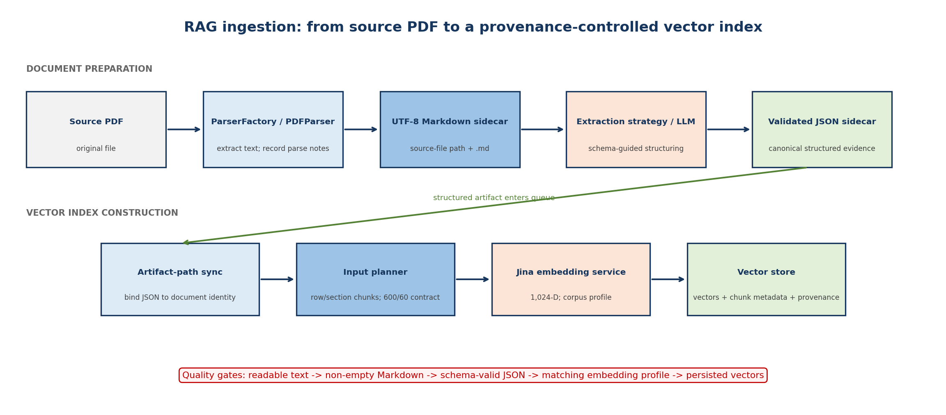
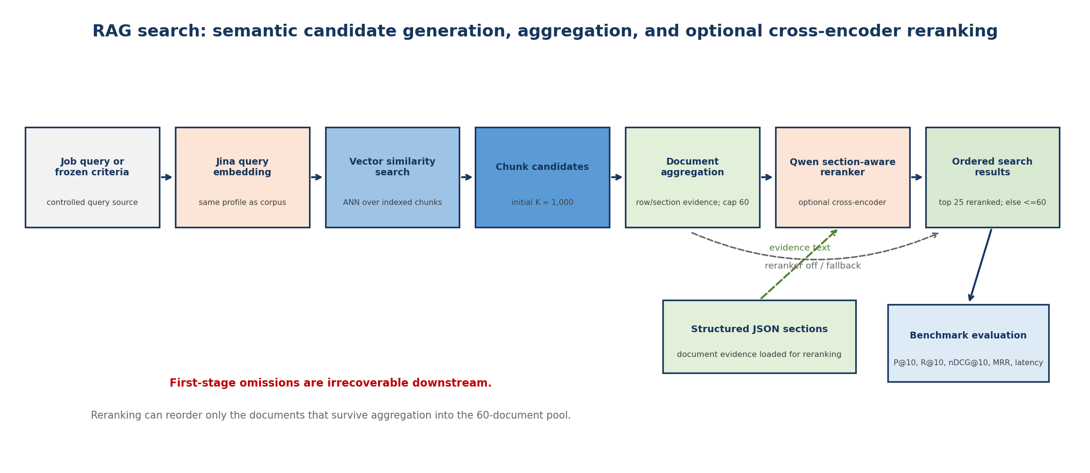
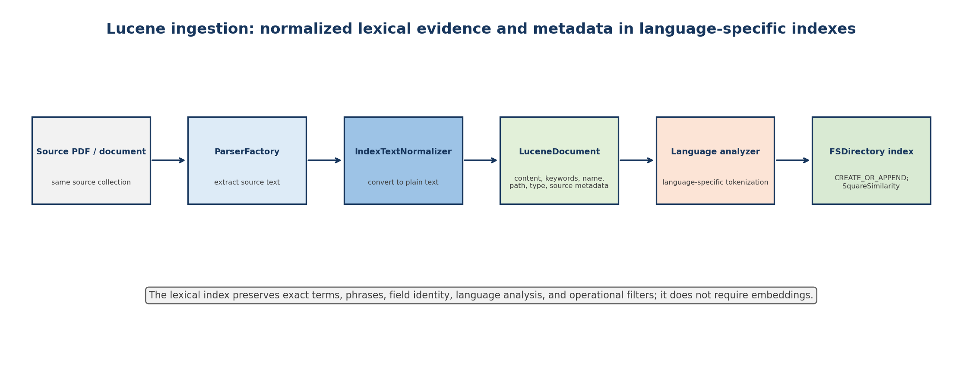
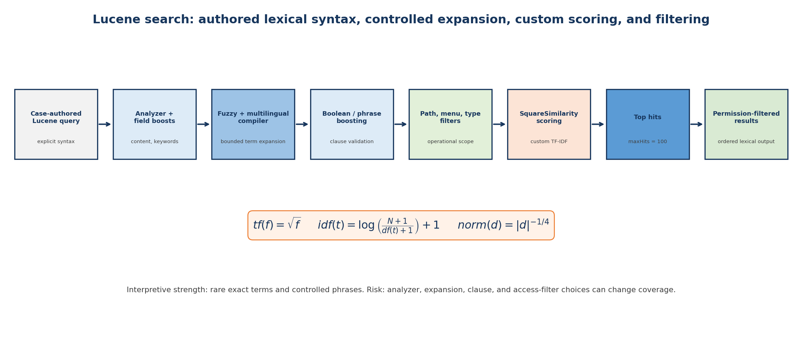
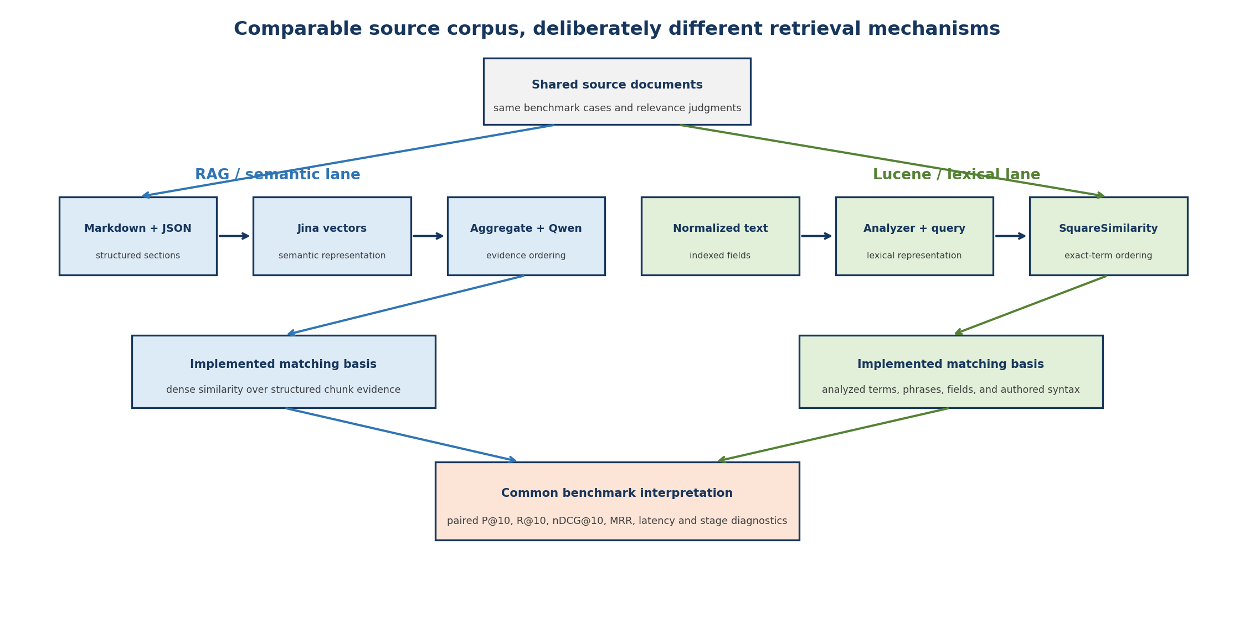
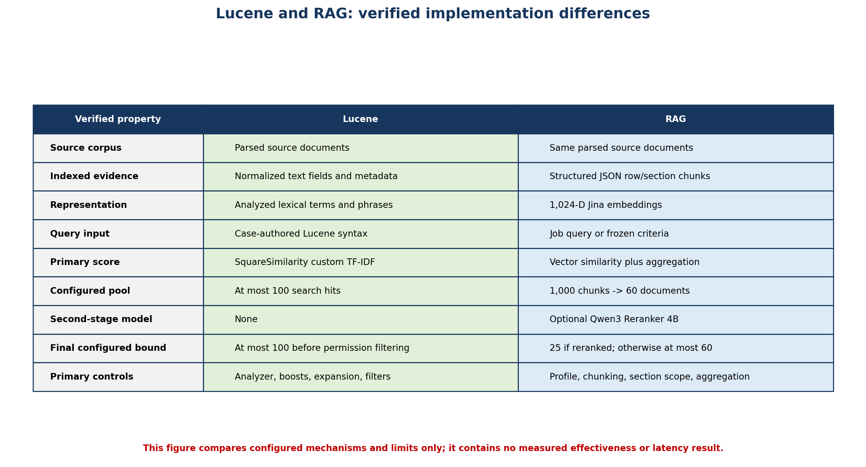
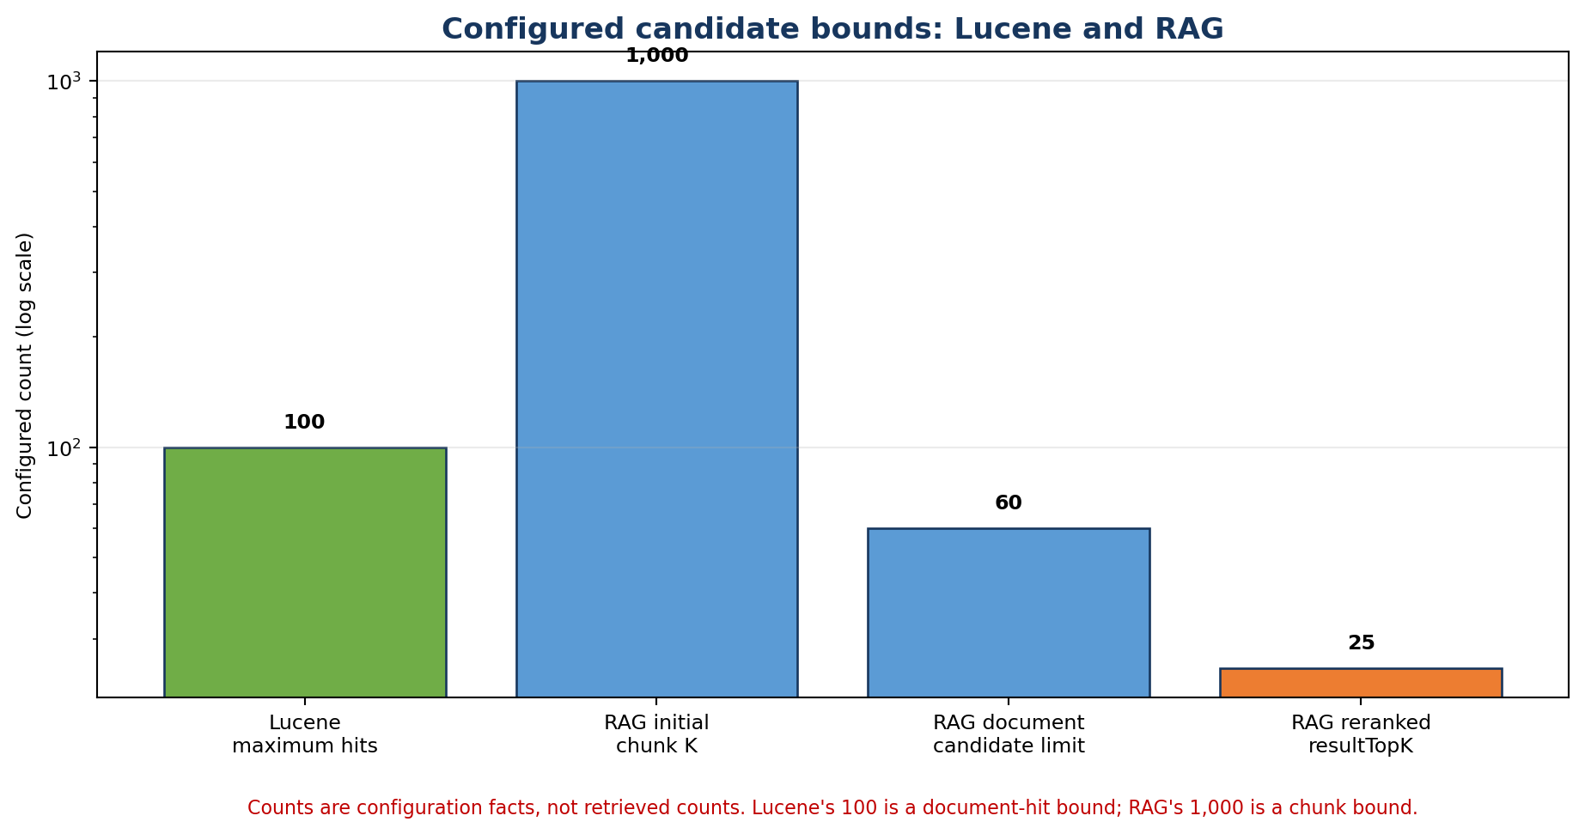
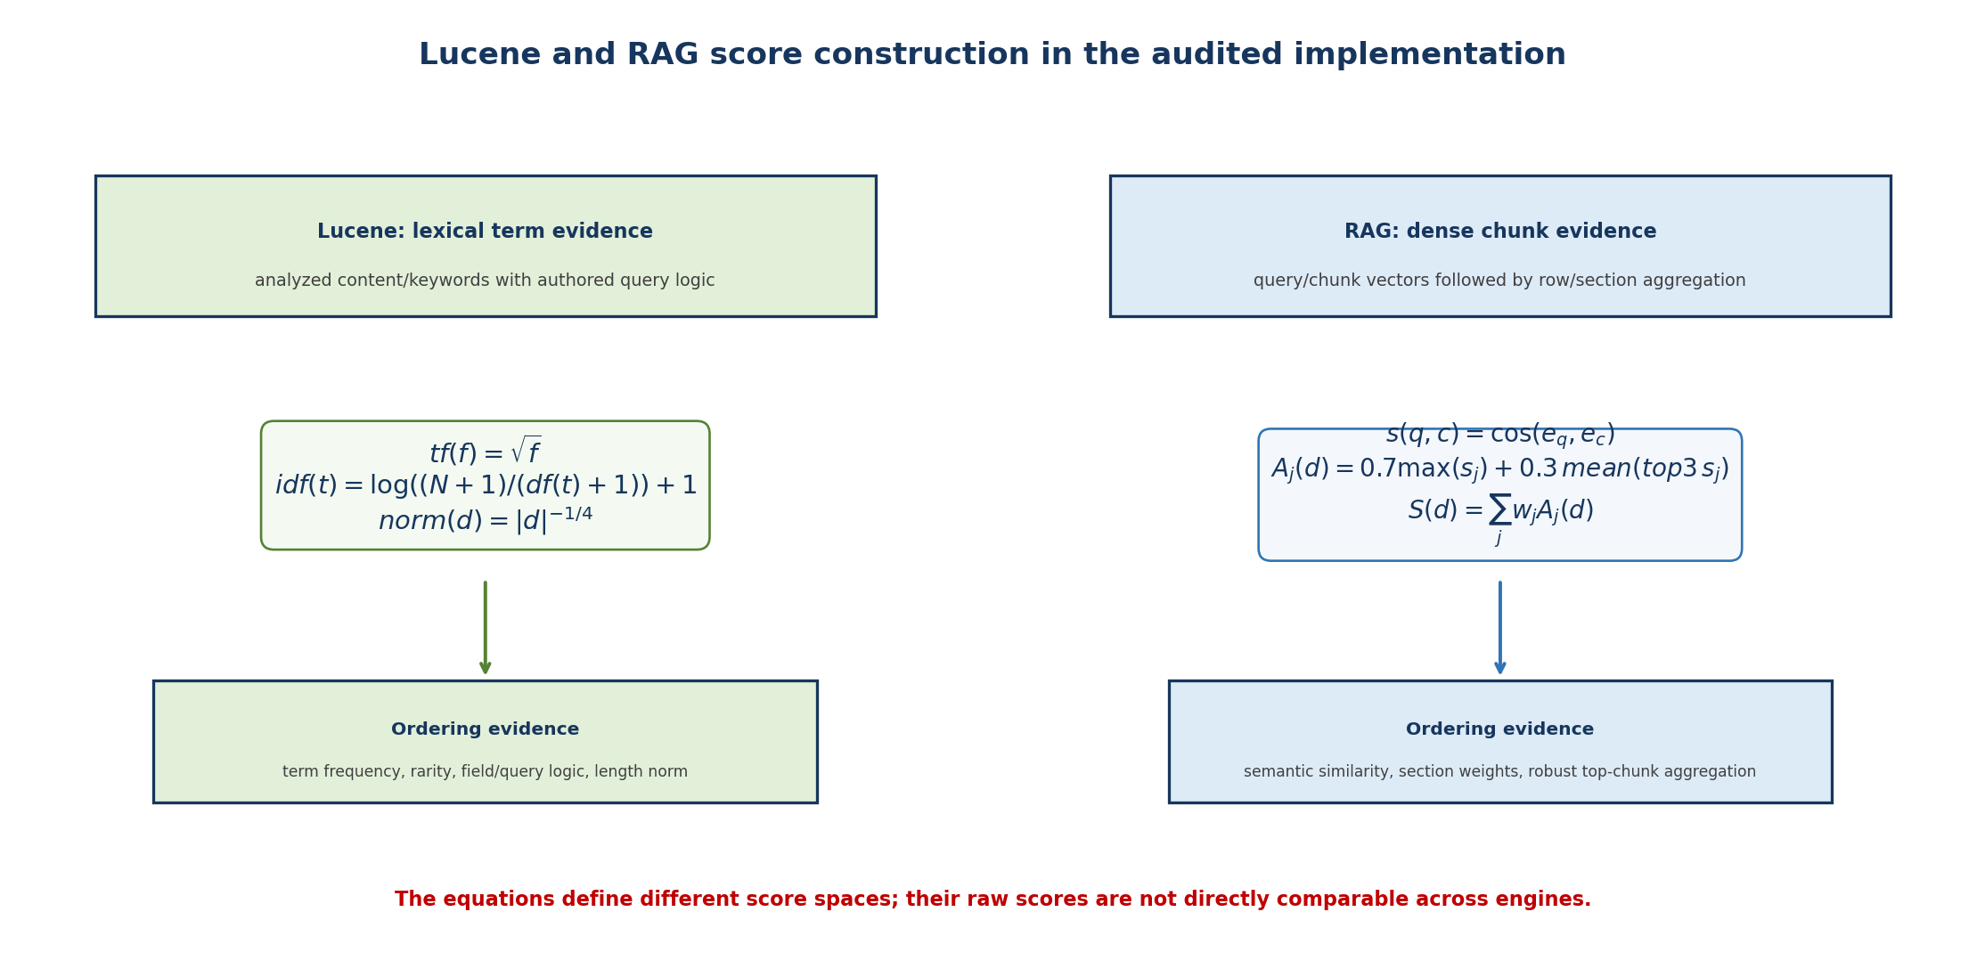
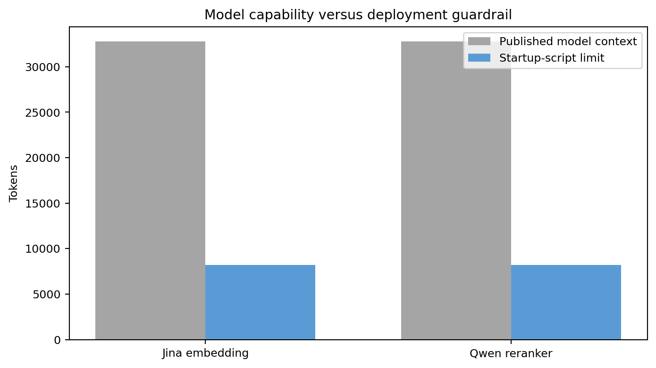
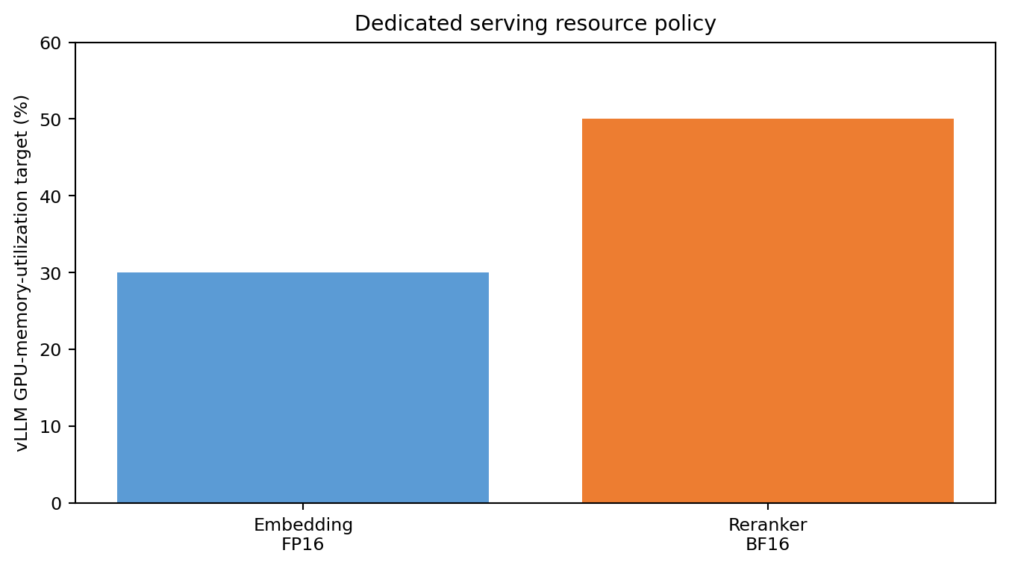
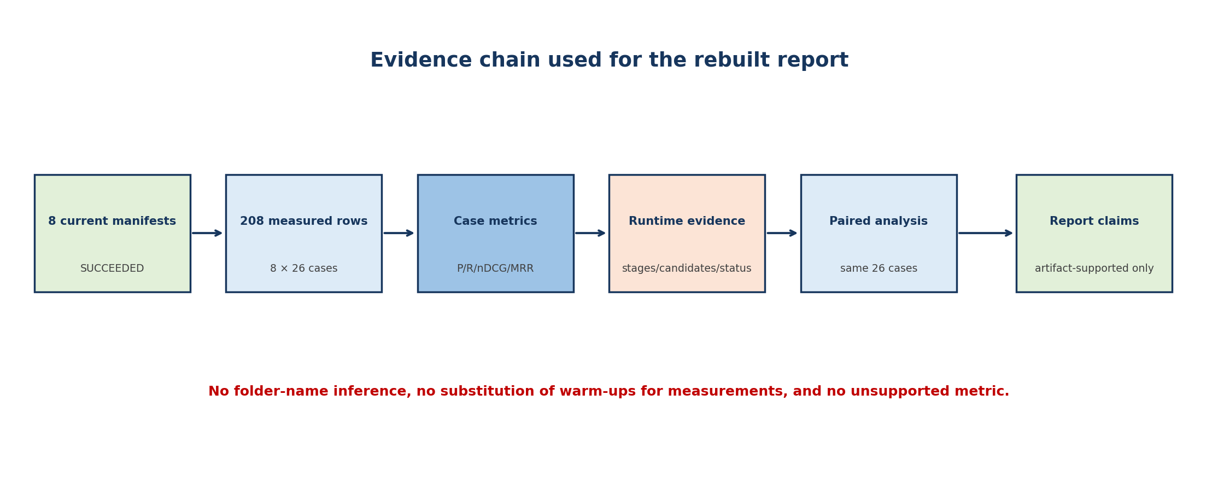
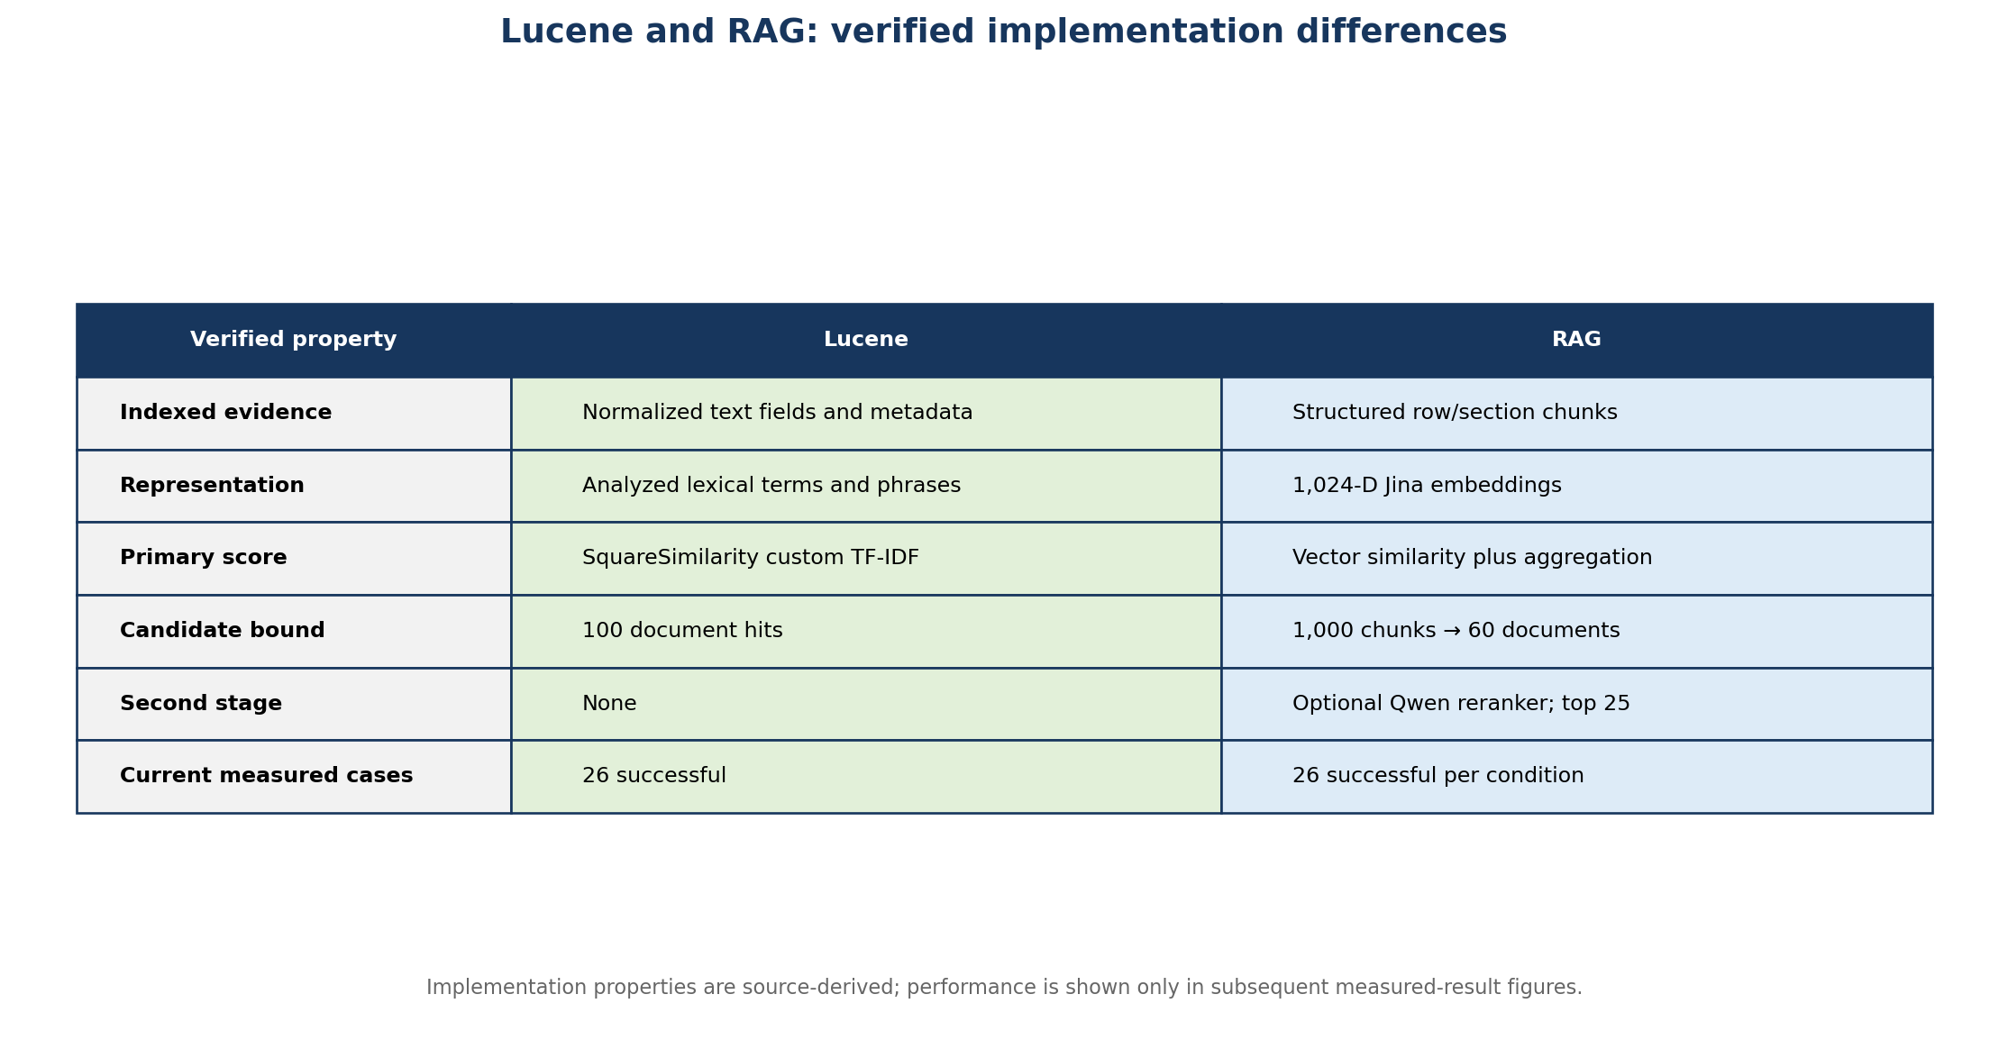
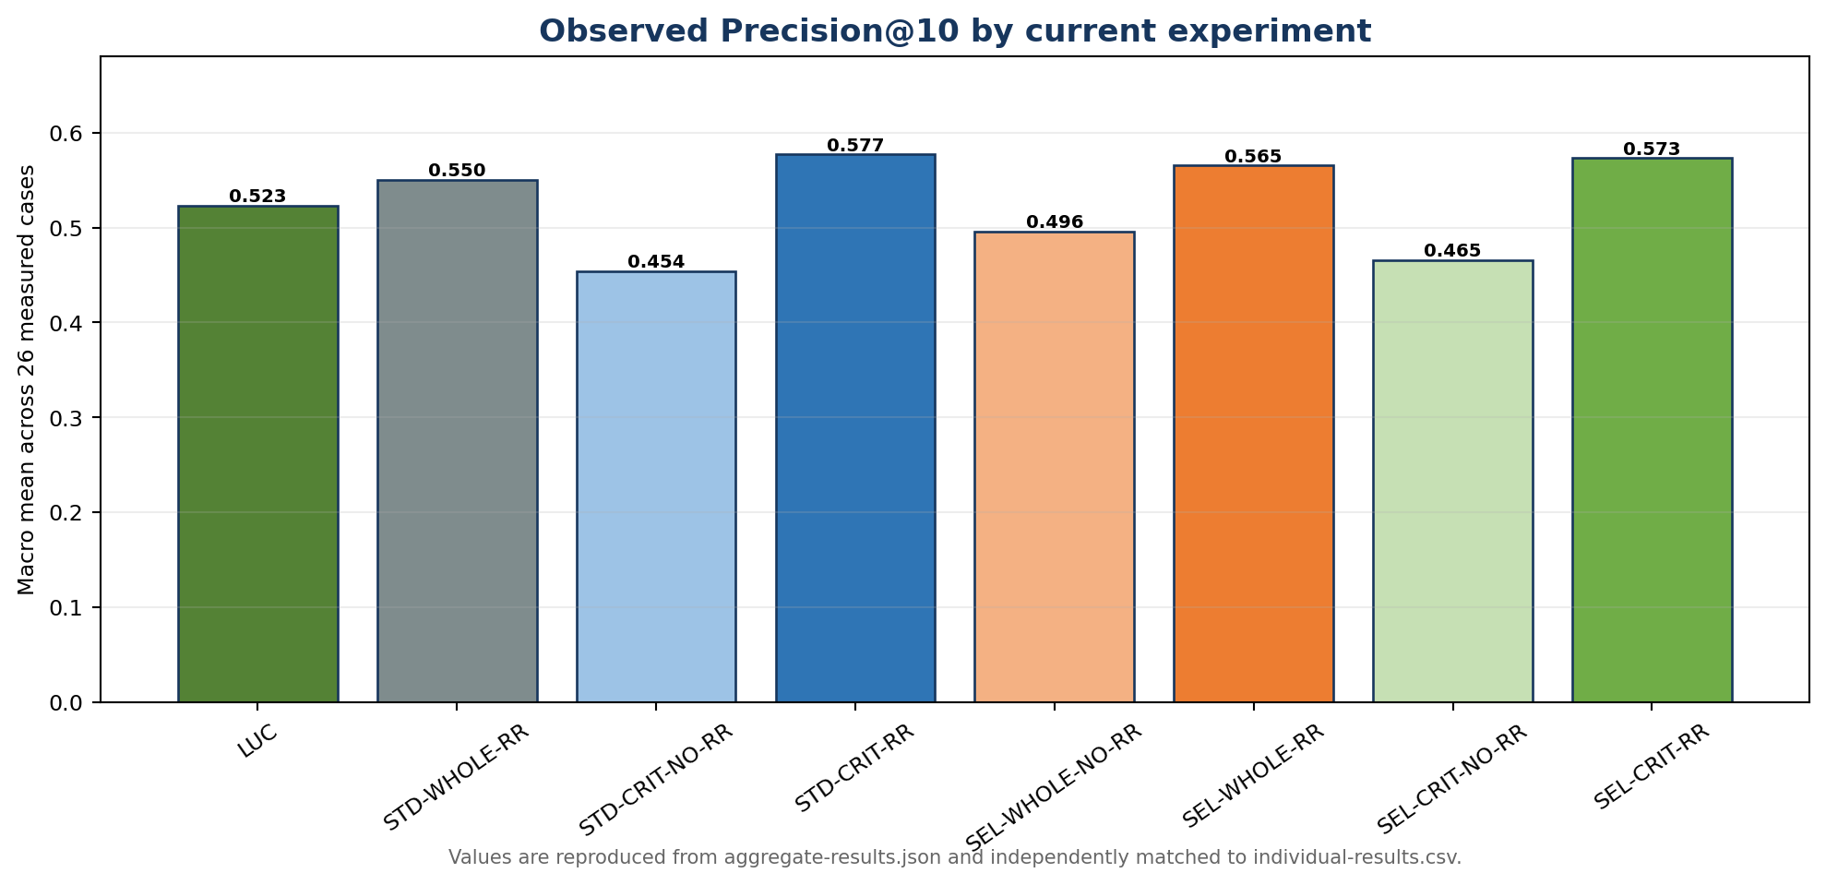
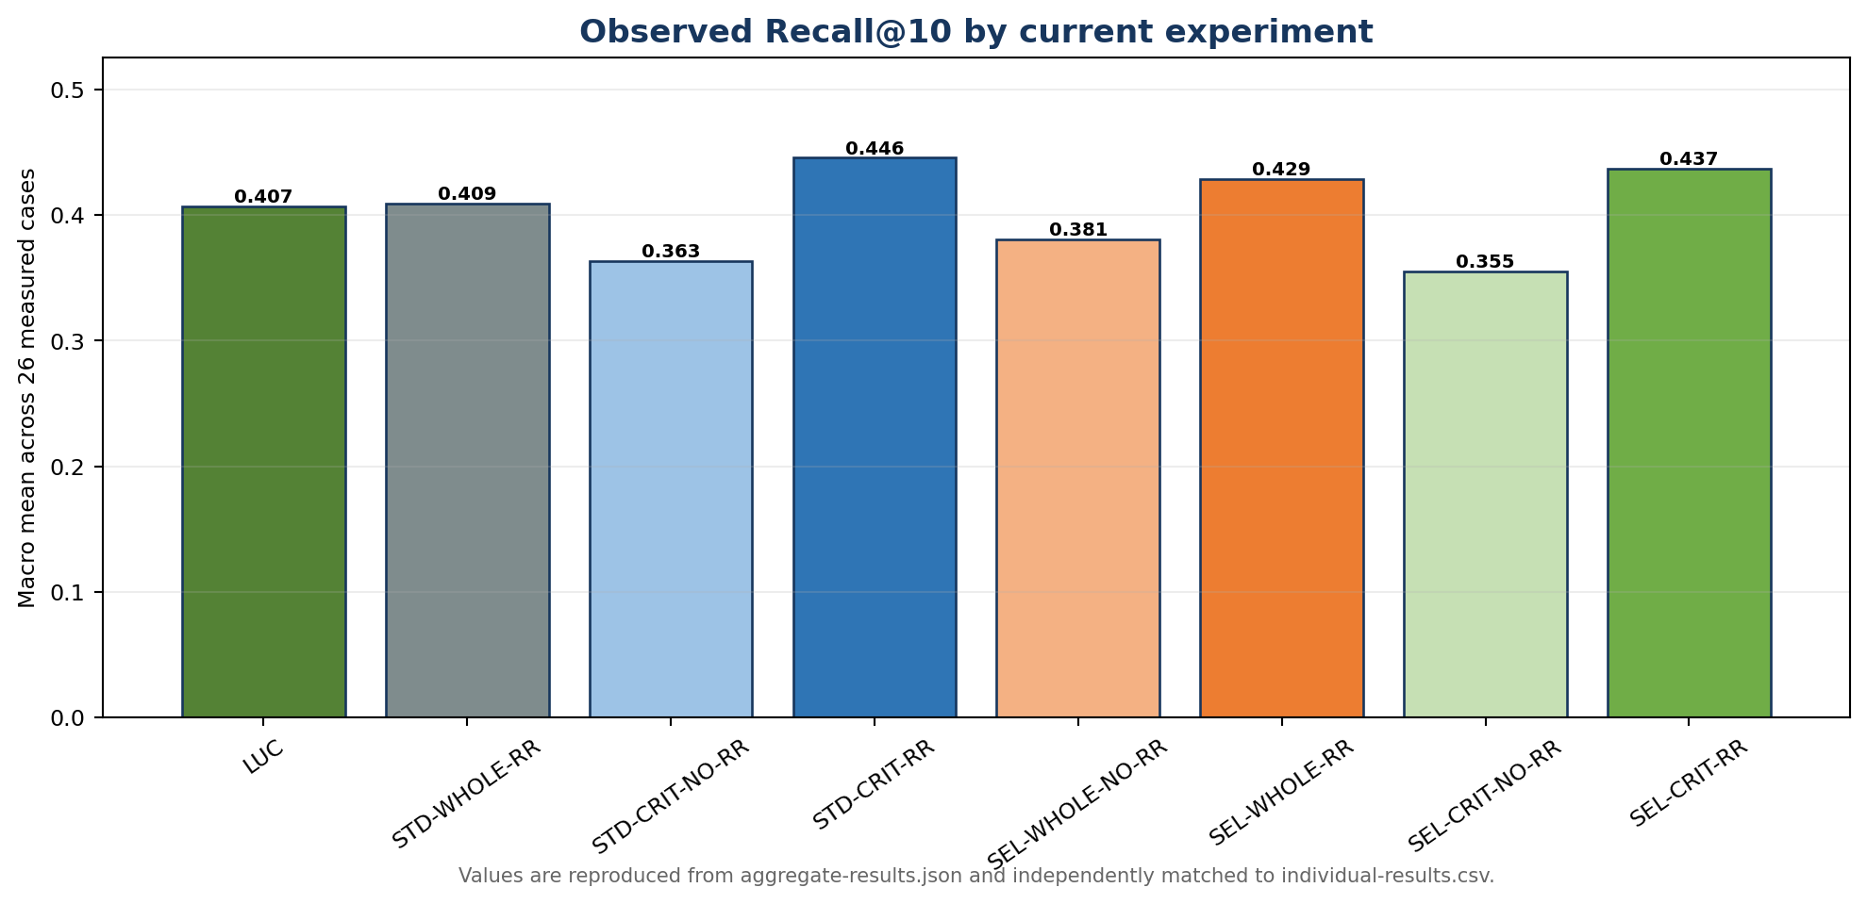
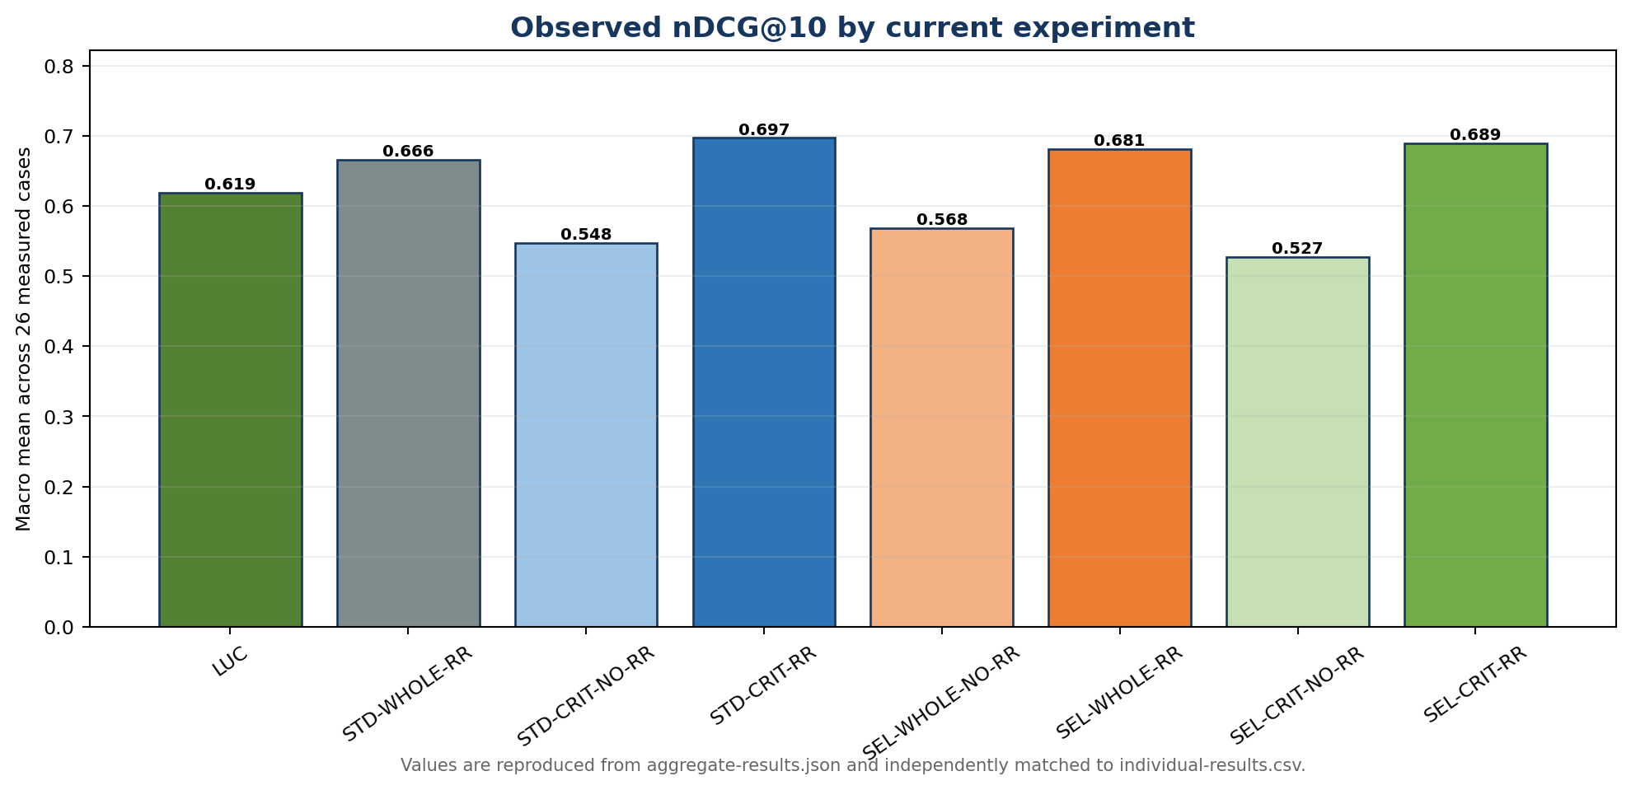
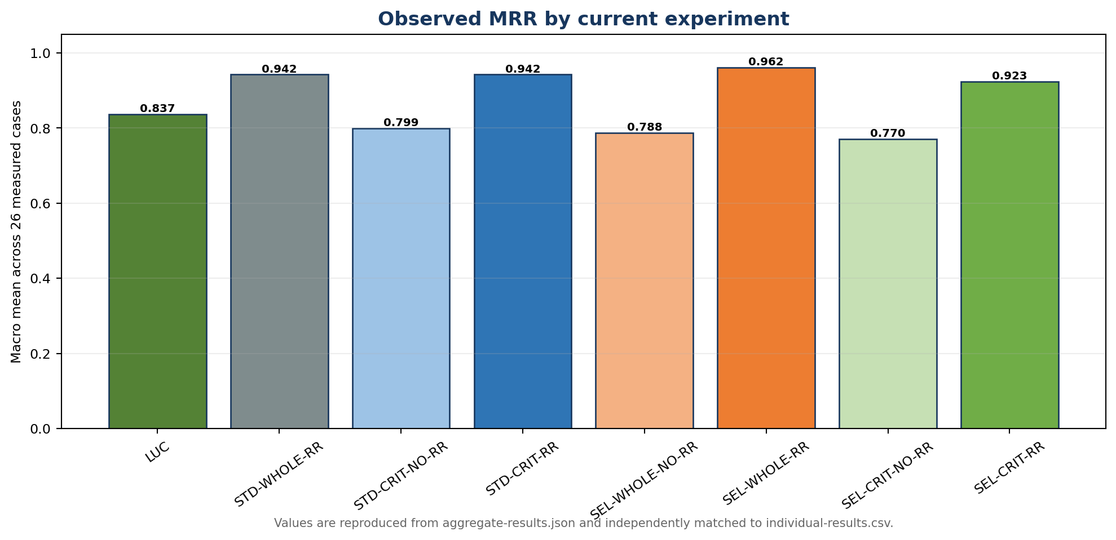
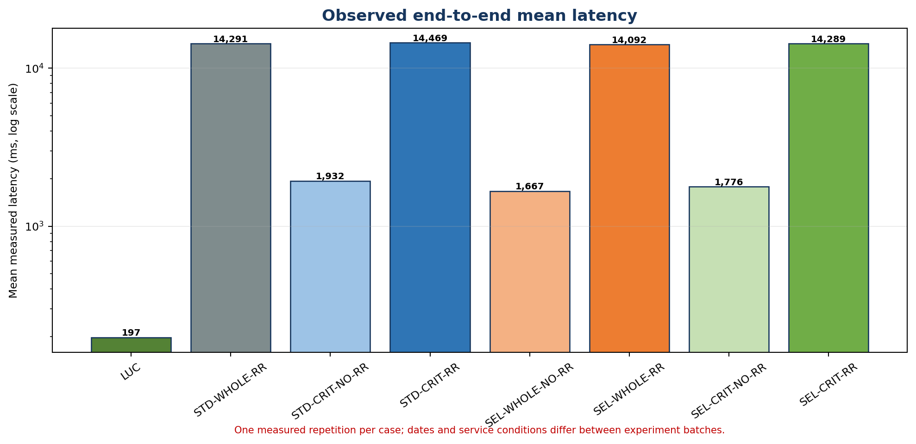
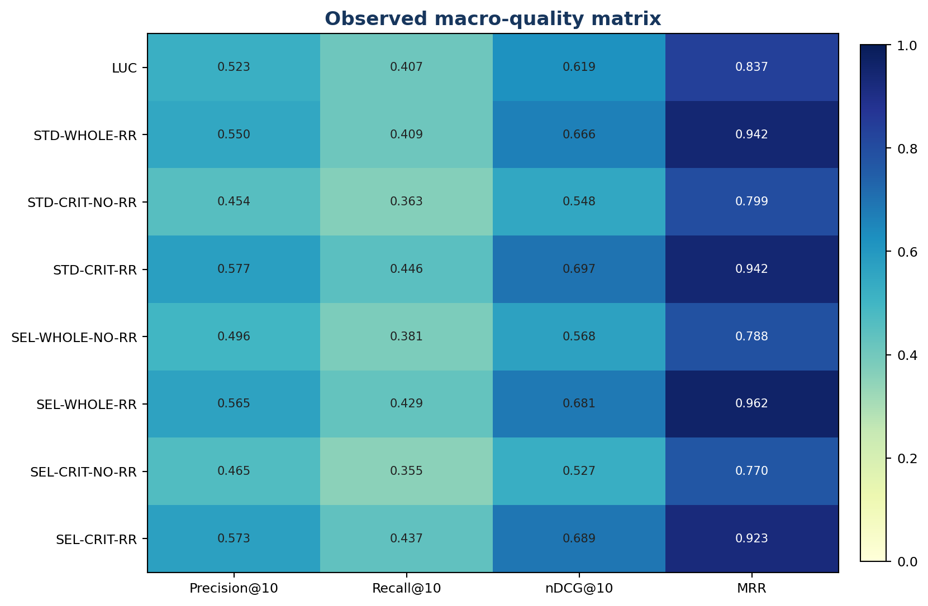
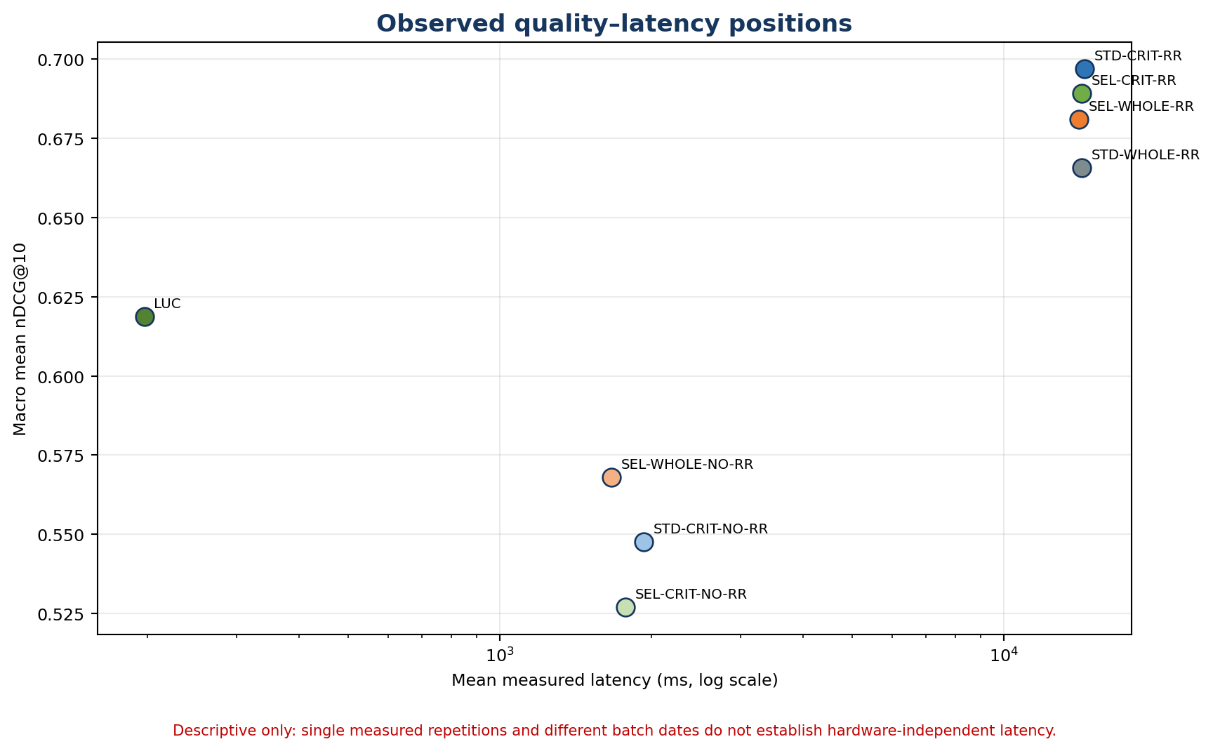
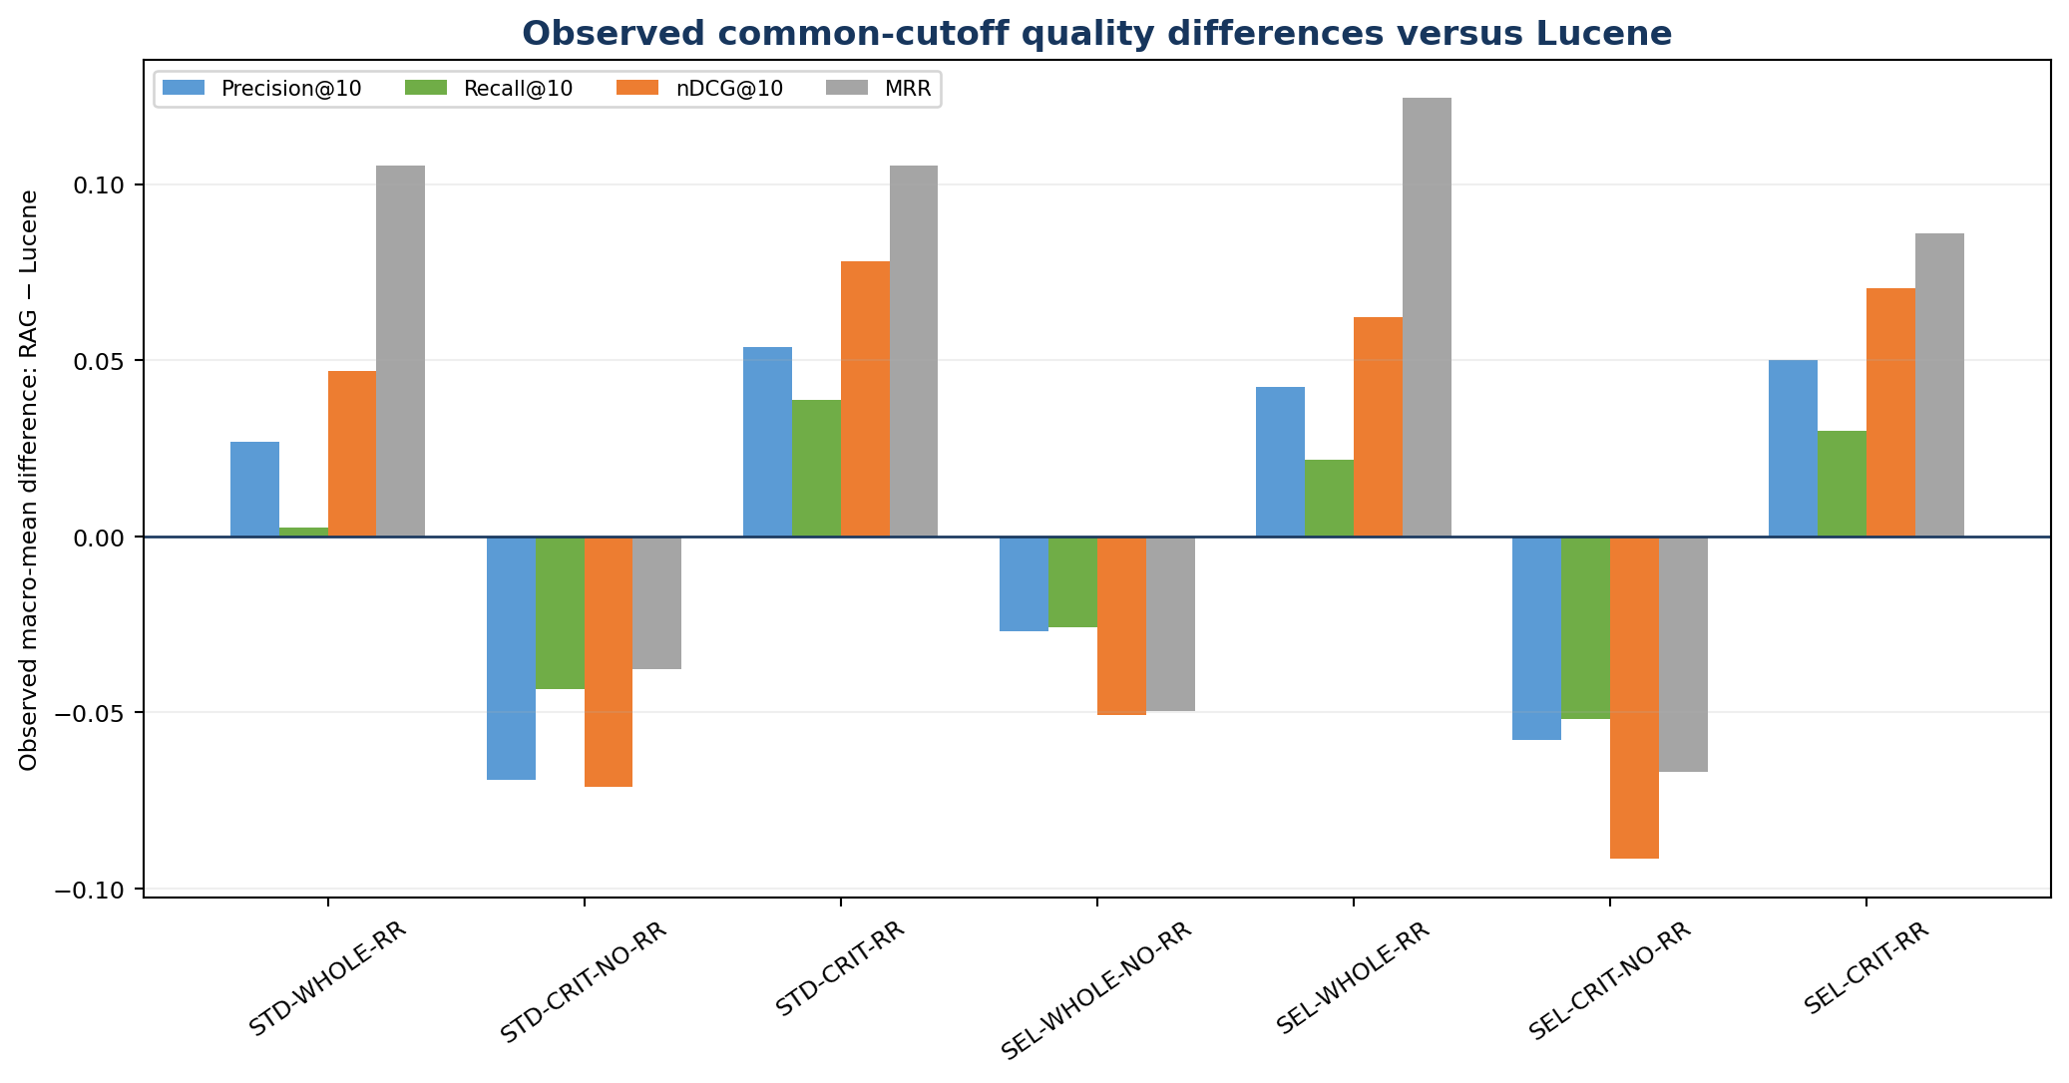
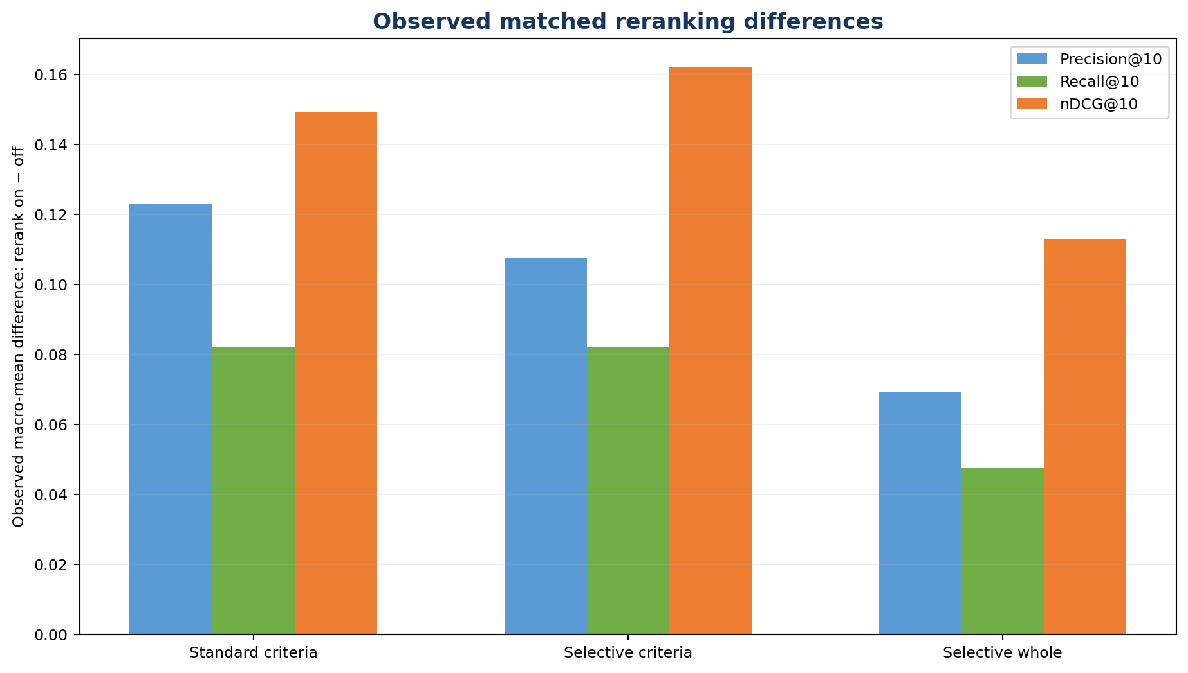
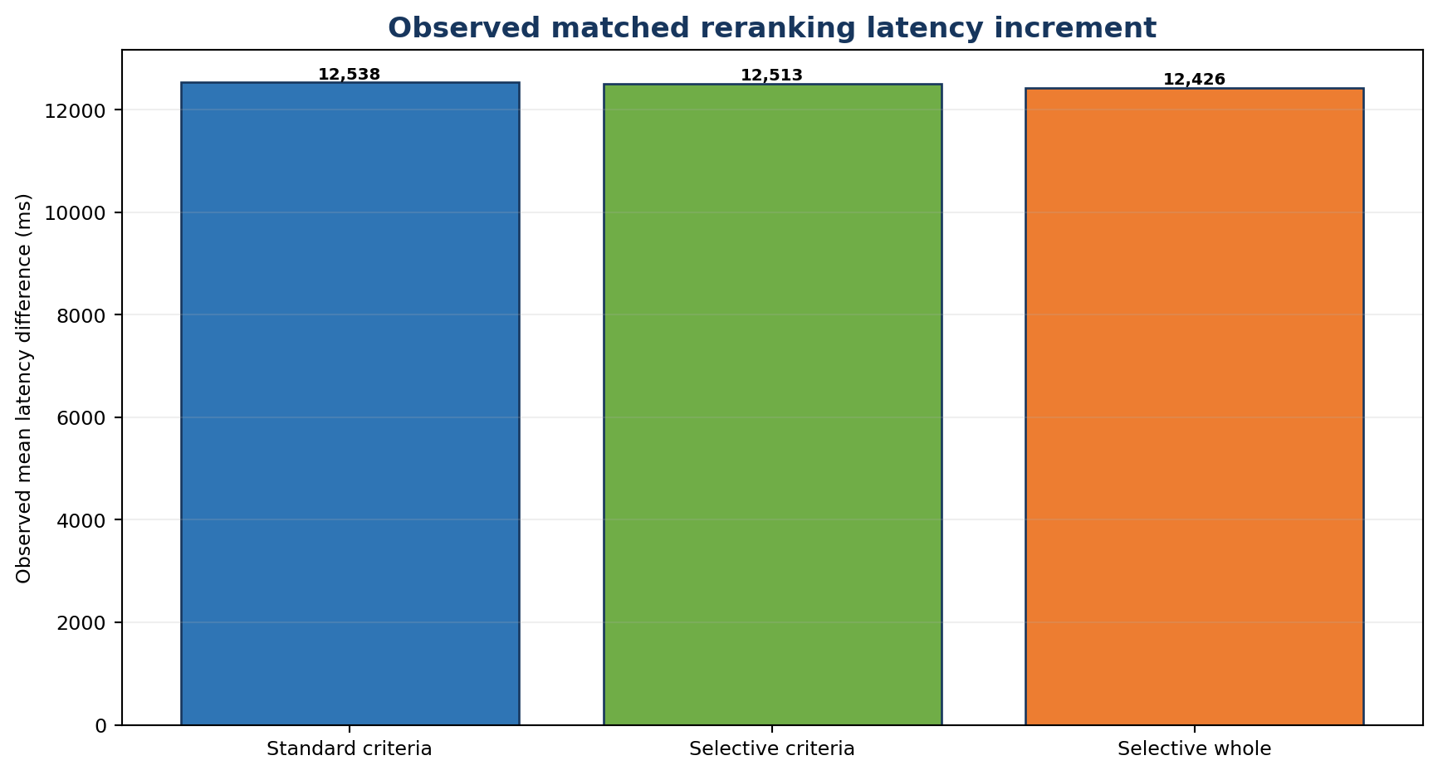
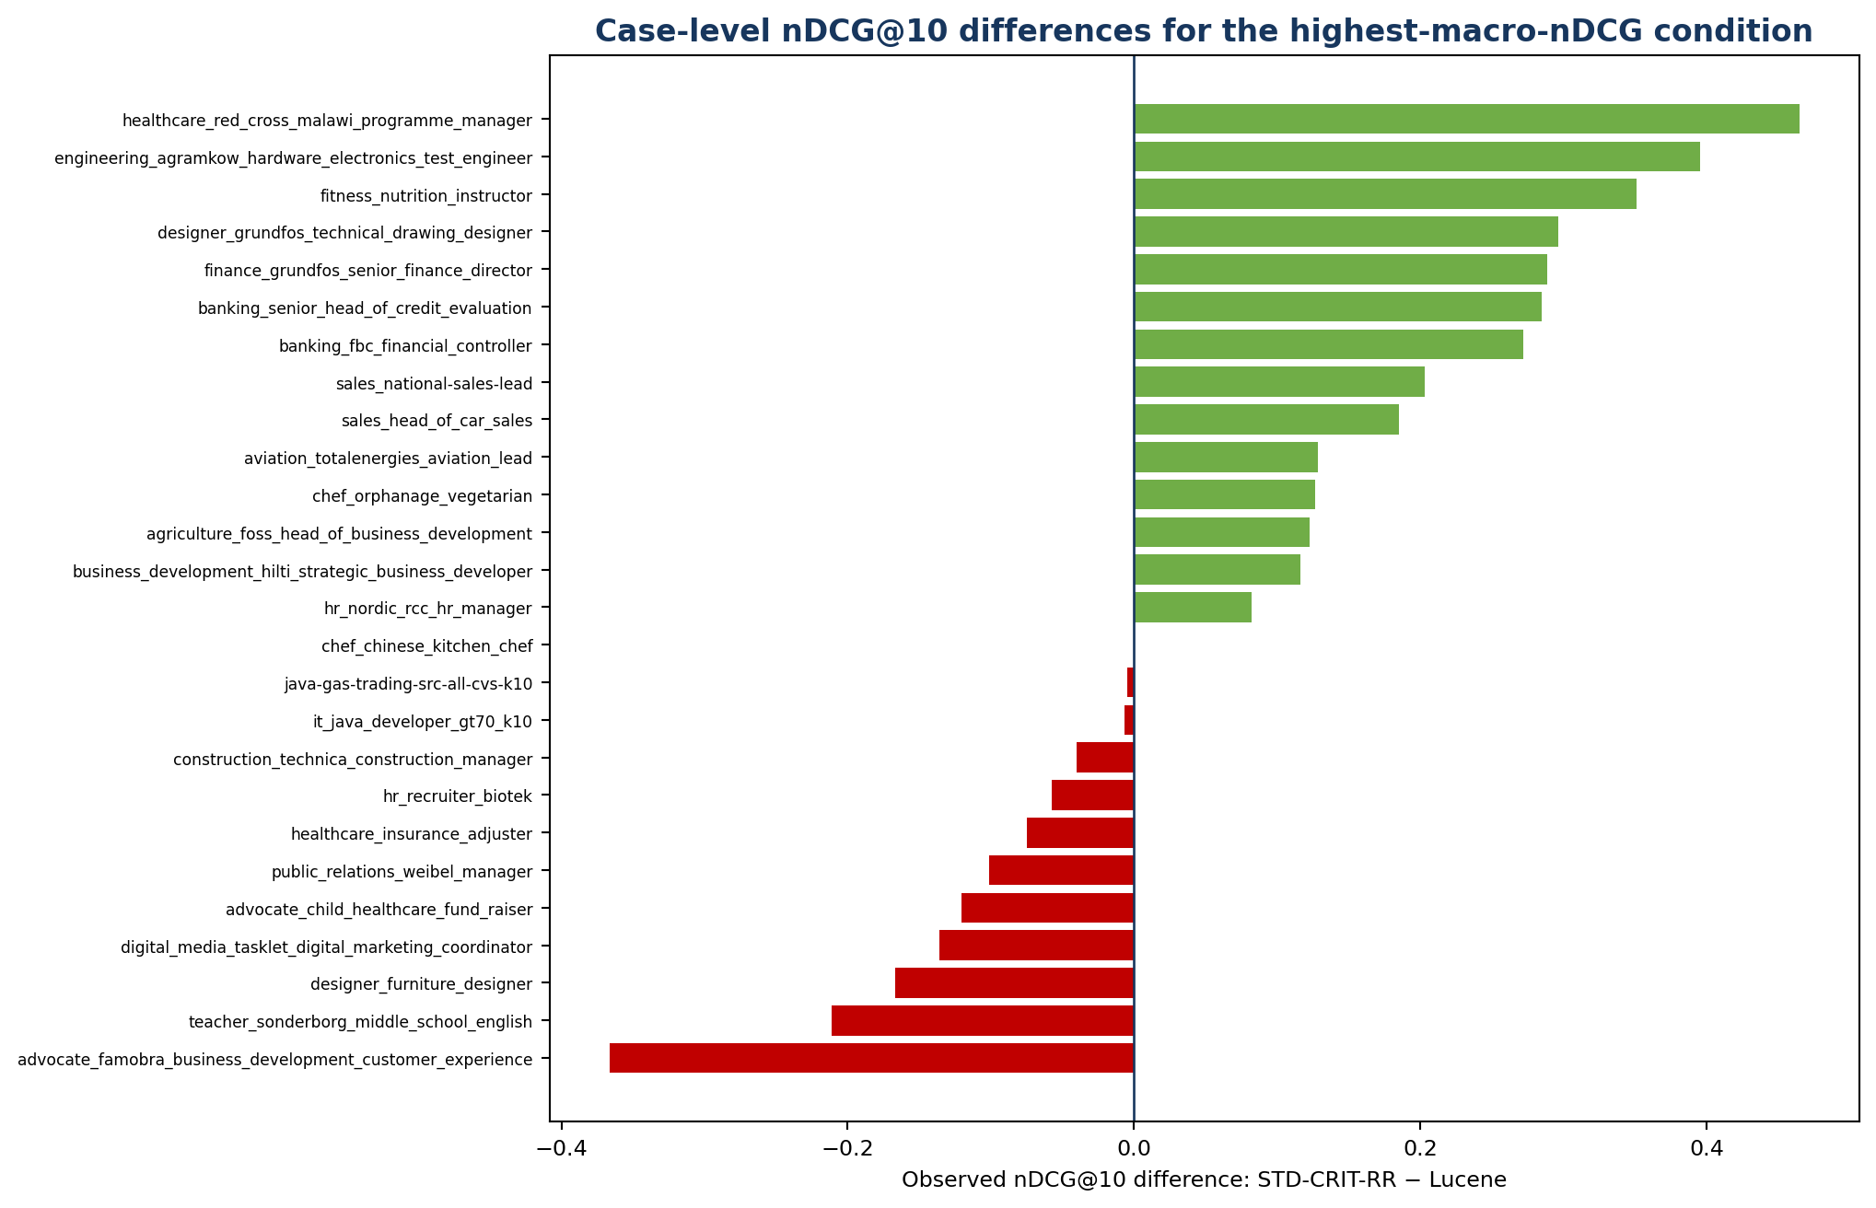
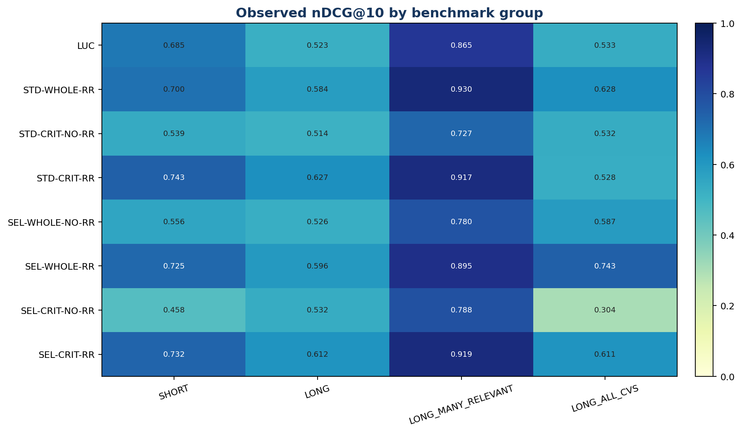
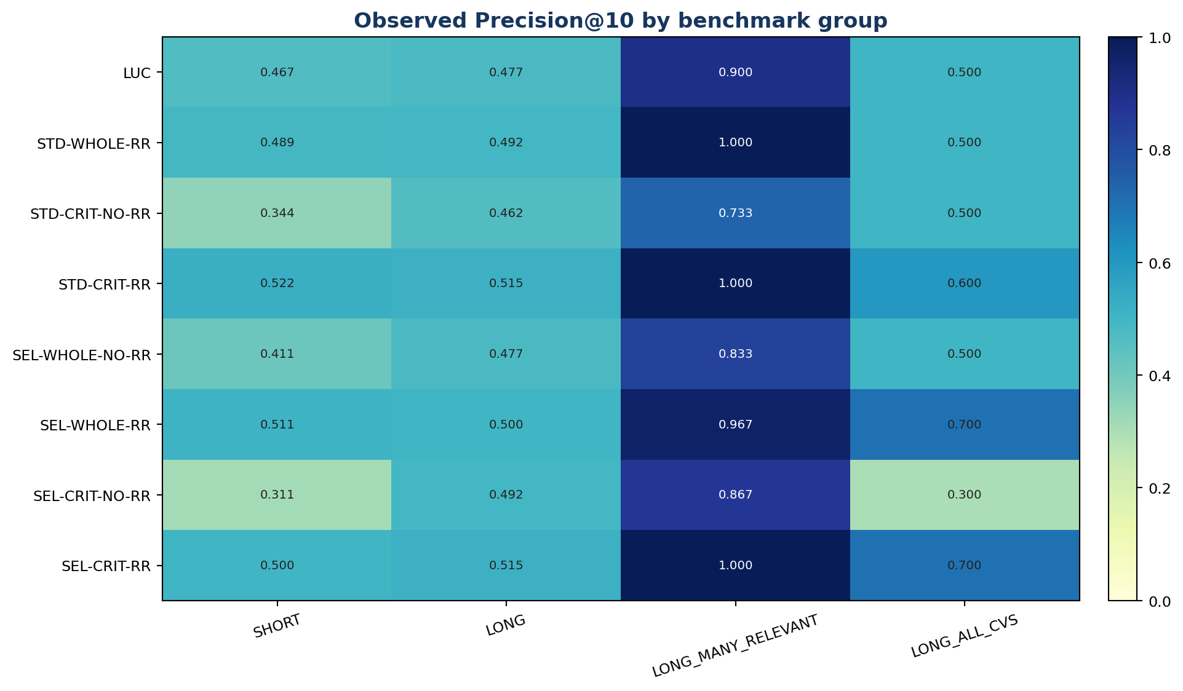
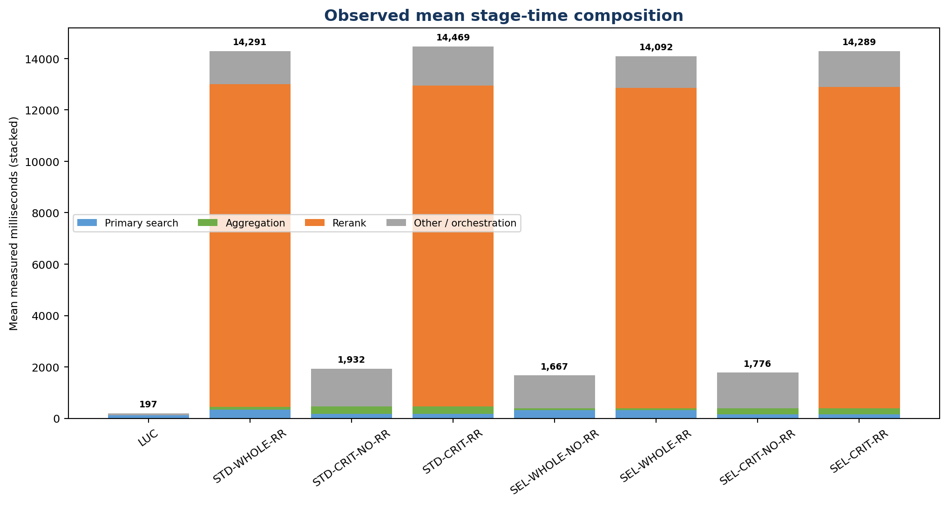
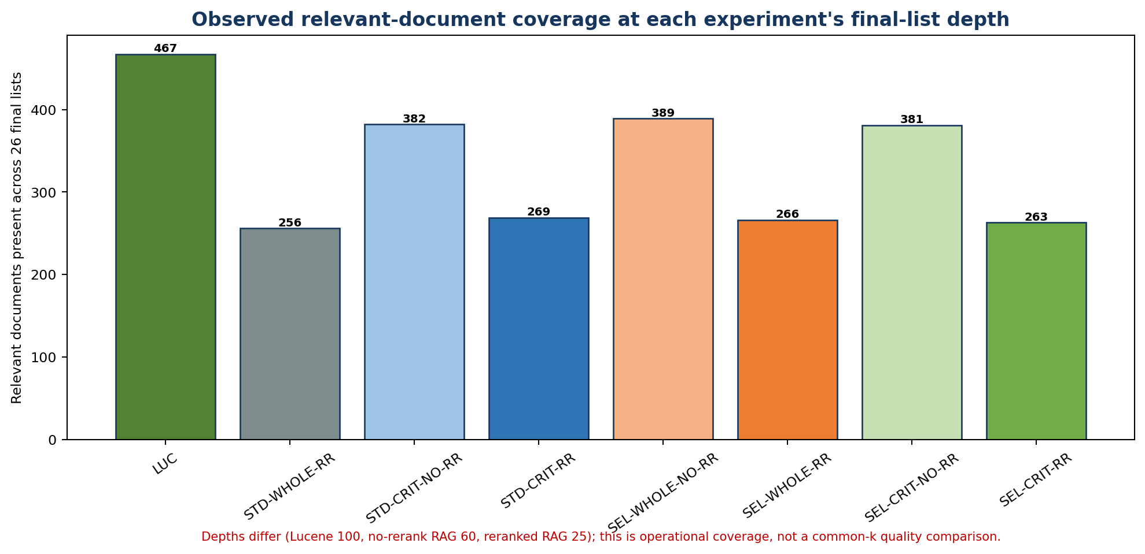
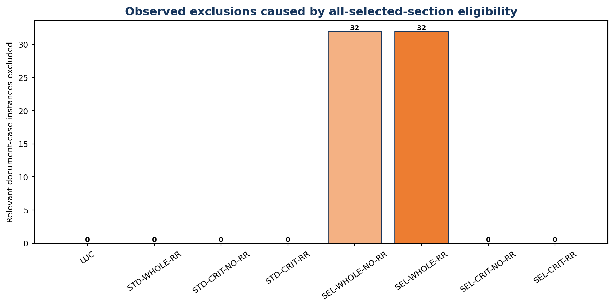
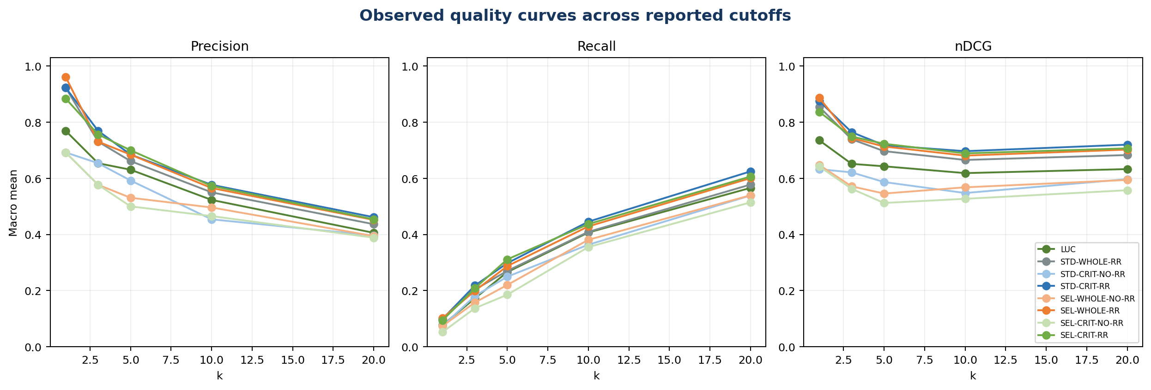
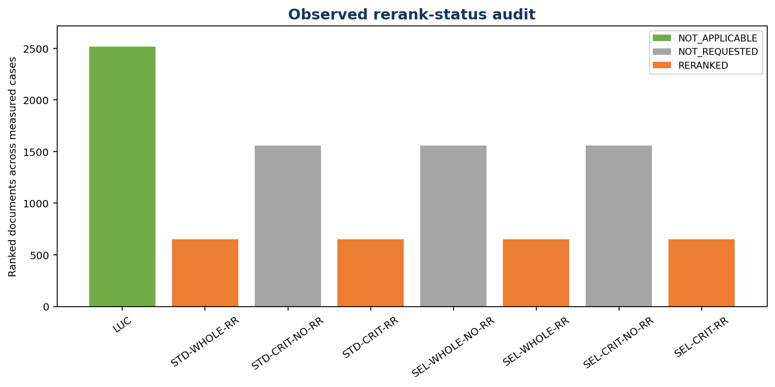
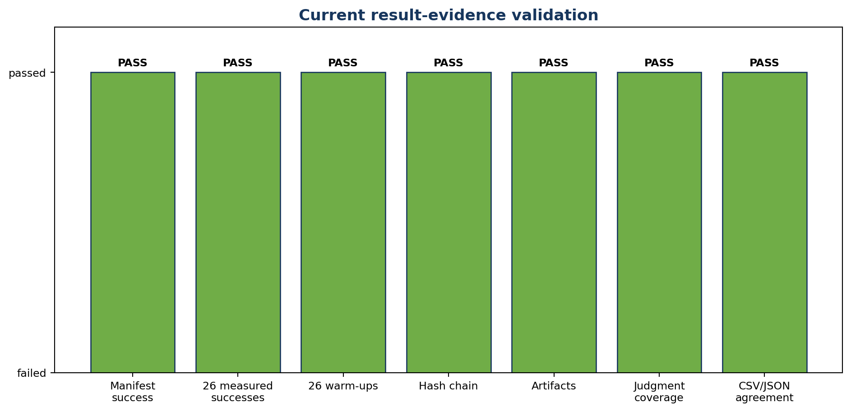
Observed-result and implementation figures
All numerical figures use current measured artifacts. Descriptive implementation figures are explicitly separated from performance figures.

